Main
대외비 2023-05-17 중소형 모듈 제조혁신 성열태
Samsung Display Confidential

MCC Master List

Samsung Display Co.,Ltd
(C)Copyright. All Right Reserve
. 허가 없이 본 자료에 대해서 일부 혹은 전부를
SDC외 사용 할 수 없다.
. 본 자료는 MCC Set Up 완료 여부 근거 자료로 사용된다.
이에 본 자료로 MCC Set Up을 진행한다.
삼성 디스플레이 주식회사

변경이력
대외비 2023-05-17 중소형 모듈 제조혁신 성열태
 |  |  |  |  | Samsung Display Confidential
NO | REVISION | 변경내용 | 변경일자 | 변경요청자 | 수정자
1 | 1.0.0 | 사양 배포 | 2014-12-10 | 홍길동 | 홍길동
2 | 1.9.1 | ACTION NAME : RETRY → TRY 변경 | 2023-01-27 | 성열태 | 성열태
 |  | ACT_WAIT_TIME 추가 | 2023-01-27 | 성열태 | 이승호
 |  | CV 물류 작성 방법 추가 | 2023-01-27 | 성열태 | 성열태
3 | 1.9.1 | SYSTEM No 1A01~ 시작, CYCLE 1A10 ~ 시작 , 1Z99 > 2A01 > 2A02 | 2023-05-17 | 성열태 | 성열태
4 | 1.9.2 | 4_1(참조) Master List 작성 방법 예시 Sheet, 작성 예시 내용 수정 | 2023-10-12 | 성열태 | 성열태
5 | 1.9.3 | 4_1(참조) Master List 작성 방법 예시 Sheet | 2024-06-04 | 성열태 | 성열태
 |  | COMPONENT_IN/OUT : "GET", "PUT" 추가, NG 항목 내용 추가 | 2024-06-04 | 성열태 | 성열태
 |  | ACTION NAME : MOVE_WAIT_POS 축 분리
 |  | TRAY, 자재 물류 IN/OUT_WAIT_TIME 기준 수정 및 추가
 |  | LMS 물류 기준 추가
 |  | SINGLE : MODID_ALARM, MODID_ALARM_STOP 추가
 | 1.9.3 | 4_2(참조) 시점 정의 예시 Sheet | 2024-06-04 | 성열태 | 성열태
 |  | AUTO_CYCLE 시점 정의(TRANSFER 제외) 삭제
 |  | Ready Cycle STEP 정의 삭제
 |  | INITIAL STEP 시점 정의(중복) 삭제
 | 1.9.3 | 4_3(참조) IN_OUT 시점 정의 예시 Sheet | 2024-06-04 | 성열태 | 성열태
 |  | 5 검사 PROCESS 및 VISION PROCESS MCC 예시 수정 및 추가
 | 1.9.3 | 4_1(참조) Master List 작성 방법 예시 Sheet | 2024-07-03 | 성열태 | 성열태
 |  | 19. CV 물류 CV 이동 동작 SINGLE 카테고리 작성 문구 삭제
 | 간소화 | Signal Log 입력란 삭제 | 2025-04-29 | 최경민 | 최경민
 |  | 4. Master List작성
 |  | SIGNAL LOG AREA 삭제
 |  | 4_1.(참조) Master List 작성 방법 예시
 |  | SIGNAL, INFORMATION, ERROR/WARNING, EVENT LOG AREA 삭제
 |  | 6. Host전송 Sheet 삭제
 |  | 기준정보 입력 Sheet A,S,V,I 삭제
 | 1.9.4 | 4. Master List작성 SHEET | 2025-05-26 | 성열태 | 성열태
 |  | ACTION LOG AREA 표 구분란 2줄 → 1줄 수정
 |  | SystemNo+ActionName (서식 有) : "글자수 기준 : 50자" 기준 추가
 | 2.0.0 | 효율화 작업 적용 | 2025-06-13 | 최경민 | 최경민
 |  | Check Sheet 신규 생성
 |  | 각종 검수 확인 Sheet Check List Sheet로 통합
 |  | 검수 효율화 관련 검수 항목별 투자부서 , 제조혁신 책임 구분
 |  | 각종 검수 확인 Sheet Check List Sheet로 통합

Check Sheet
대외비 2023-05-17 중소형 모듈 제조혁신 성열태
 |  |  |  |  |  |  |  |  | Samsung Display Confidential
Maker | Maker 명
 | EQP ID
 | Maker담당자 |  |  |  |  |  |  | 28.666666667
 | Maker연락처
 |  |  |  |  |  |  |  |  |  | 768000
※ 하기의 모든 List가 OK처리가 되어 진척율 100%를 달성해야지만 MCC의 모든 Set Up이 종료 및 최종 승인 된다.
Warranty 기간이 지났음에도 불구하고 , Check List 모든 항목에 OK 처리가 되어있지 않으면, 이는 Maker측 셋업 및 대응 미흡으로 간주하고 OK 시까지무상 대응해야한다.

진행율 |  | 0%

셋업구분 | No | MCC Set Up Process | 책임 부서 |  | 완료일정 | 판정 | 담당자 | 증빙자료 캡쳐본 첨부 | EqVerse
 |  |  | 투자부서 (기술팀,개발팀..) | 제조혁신
DR | 1 | ■ MCC 사양서 및 Master List 배포 - EqVerse에 등록된 자료 활용 (최신 Ver. 관리 _ 제조혁신) |  | ● |  | OK / NG |  | - | DR결과 등록 (투자부서 상신)
 | 2 | ■ DR 일정 협의 - 신규,개조,Repeat 설비등 제작 사양에 따라 대면 DR 진행 여부 판단 | ● |  |  | OK / NG
 | 3 | ■ MCC 사양 협의 (DR 진행) - 제조 혁신,투자부서(기술팀,개발팀..),설비 Maker MCC 적용협의 | ● | ● |  | OK / NG |  | -DR회의록 캡쳐본 첨부-
제작검수 | 4 | ■ MCC Master List 초안 제출 (Action Log 만 적용) - 업체 제어 담당자 작성 후 투자부서(기술팀,개발팀..)에서 작성 된 설비 동작 순서 와 실제 설비 동작이 맞는지 검증 진행 - 동작 순서 검증 후 제조혁신 담당자에게 Master List 제출 | ● |  |  | OK / NG |  | - | 제작 검수_MCC (제조혁신 상신)
 | 5 | ■ Master List 검증 - Master List 작성 규칙 검증 |  | ● |  | OK / NG |  | -
 | 6 | ■ MCC Master List 확정 - 기술팀 : Master List에 작성된 설비 동작 순서 검증 완료 時 제조혁신 : Master List 작성 규칙 검증 완료 時 |  | ● |  | OK / NG |  | -
 | 7 | ■ MCC T-Log 생성 - 연속된 2~3개 Unit MCC Log 생성 후 제조혁신 담당자에게 제출 . PC 제어 설비 : 업체 자체 Program으로 Log 생성 . PLC 제어 설비 : 現 미쓰비시 PLC 限 Log 생성 Agent 및 PLC MAP File 제공 미쓰비시 PLC외 타 Maker PLC는 업체 자체 Agent 사용 | ● |  |  | OK / NG |  | -
 | 8 | ■ MCC T-Log 검증 - MCC Checker Tool T Log A점수 90점 이상 |  | ● |  | OK / NG |  | -MCC Checker 점수 캡쳐본 첨부-
입고 검수 | 9 | ■ MCC 상위 Host FTP 데이터 전송 - File 생성 , FTP Upload 주기 확인 (주기 설정 가능 여부 확인) - 지정 경로 , FTP ID,Password 제조혁신 제공 | ● |  |  | OK / NG |  | -FTP Upload 캡쳐본 첨부- M-MAS Log Download 기능 활용 | 품질 certify_MCC (기술팀 상신)
 | 10 | ■ Master List 최종 확정 - 제작 검수 이후 동작 수정 여부 확인 . 동작 수정 時 변경내용 반영 후 제조혁신 담당자에게 제출 | ● |  |  | OK / NG |  | -
 | 11 | ■ MCC T-Log 생성 - Master List에 작성된 모든 동작 Log 생성 - 작업 완료 후 제조혁신 담당자 Inform 실시 | ● |  |  | OK / NG
 | 12 | ■ MCC T-Log 검증 - M-MAS System을 활용 하여 Data 확보 (제조혁신) . MCC Checker Tool T Log A,B 점수 90점 이상 |  | ● |  | OK / NG
 | 13 | ■ Chart 검증 - 설비 전체 동작 Chart 정합성 100% 일치 |  | ● |  | OK / NG |  | -MCC Checker 점수 캡쳐본 첨부-
 | 14 | ■ MCC 실행 PC D: 드라이브에 MCC 폴더 생성 하여 최종 확정 본 저장 - PC 제어 설비 : Master List - PLC 제어 설비 : Master List , MCC PLC Map File | ● |  |  | OK / NG |  | -저장 폴더 캡쳐본 첨부-

1.MCC UI구성

[ MCC U/I 필수 구성 ]
. MCC IP :
. MCC Port :
. MCC ID :
. MCC Password :
. MCC Path :
. MCC Log FTP upload term주기(1~99min)
. MCC Log 생성 주기 (1~99min)
※ 상기 조작 방법 Manual 작성 제출
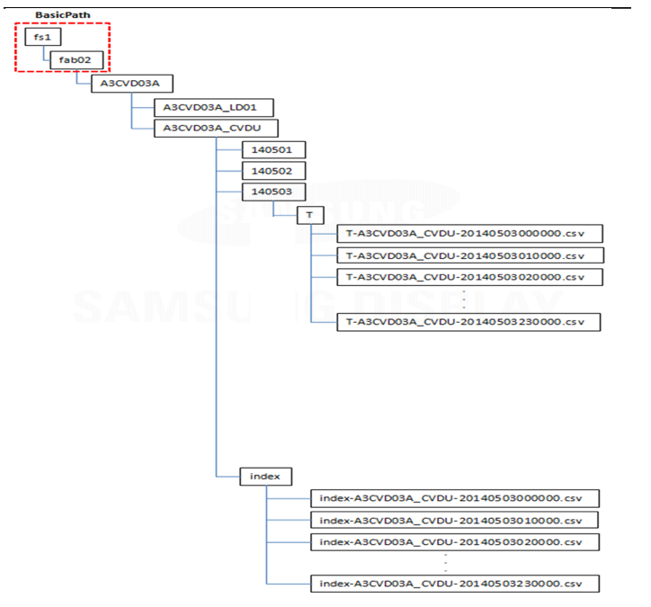
 | Samsung Display Confidential
[사양서 FTP 참고사항] |  | [File Path] | [File Path]
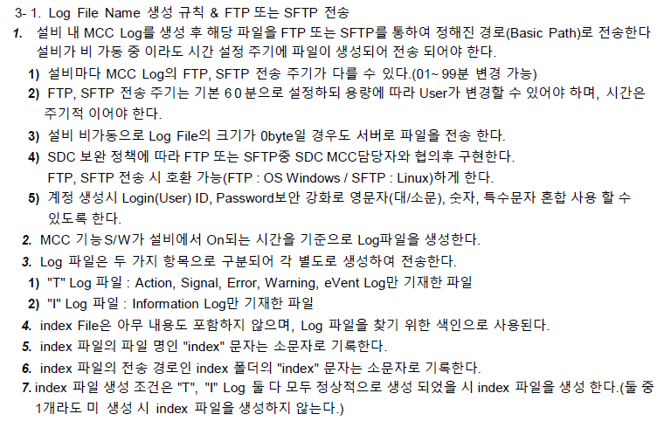

설비 입고 후 정보 전달

※ T Log , Index File 적용

2.Master List 작성(업체 작성 SHEET)
대외비 2026-03-04 중소형 모듈 제조혁신 성열태
 |  |  |  |  |  |  | Samsung Display Confidential
Maker 명 |  |  | MCC 담당자/직함 (Maker)
설비 명 |  |  | 연락처

※ 설비 입고전 협의된 일정內에 MCC Master List를 작성 제출해야하며, 입고후 Maker에서는 매주 정합성 자체검증하여 근거자료(MCC Log)와 함께 제출한다.
1. Modeling
MCC의 모델링은 자재 이동단위로 상세하게 나눈다. - CIM Modeling보다 세분화 시킴
EQP ID | Layer01 | Layer02 | Layer03 | Layer04 | Description
 |  | ST01 |  |  | STAGE LEFT
 |  | ST02 |  |  | STAGE RIGHT
 |  | PL01 |  |  | PLASMA 01
 |  | CL01 |  |  | CLEAN 01
 |  | DP01 |  |  | DISPENSER 01
 |  | UV01 |  |  | UV CURE 01
 |  | VI01 |  |  | VISION 01
 |  | TF01 |  |  | TRANSFER 01

2. Layout
하기 Sample처럼 ModuleID, 구성부품NAME, GLASS이동방향을 표현한다.

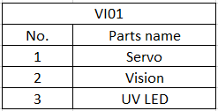
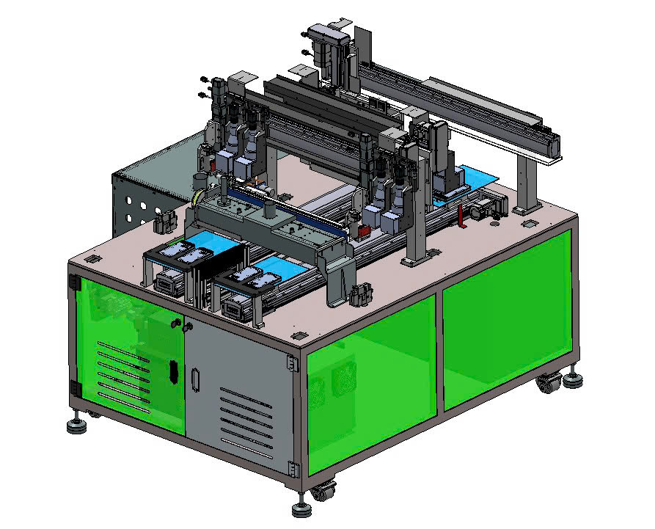

3. Moving Path
자동운전時 Panel 및 Panel을 포함한 모든자재의 이동경로의 CASE를 나열한다.
CASE | 자재명 | PATH
1 | Pannel | ST01, ST02 → PL01 → CL01 → DP01 → VI01 → TF01 → ST01,ST02

4. Action Log Area
 |  |  |  |  |  |  |  |  |  | < MCC Checker 기준정보>
Module ID | Action Category | Sequence No | SystemNo | Log Type ( A ) | Action Name | SystemNo+ActionName (서식 有) | Description | From Position List ModuleID#SlotNo) | To Position List ModuleID#SlotNo) | NO | UnitID | Action Name | 설명 | 보기순서 | FROM=TO | 기준MIN | 기준MAX | GlassID Pair오류 | GlassID누락 | HostPPID누락 | EqPPID누락 | LotID누락 | StepID누락 | Pair_Slot구분 | 기준정보 미포함
MAIN | Change | A.1 | 1A01 | A | CHANGE RECIPE | 1A01_CHANGE RECIPE |  | MAIN | MAIN | 1 | MAIN | 1A01_CHANGE RECIPE | 0 | 1 | MAIN=MAIN | 0 | 0 | Y | Y | Y | Y | N | Y | N | N
 |  | A.2 | 1A02 | A |  | 1A02_ |  |  |  | 2 | MAIN | 1A02_ | 0 | 2 | = | 0 | 0 | Y | Y | Y | Y | N | Y | N | N
ST01 | Initial | A.1 | 1A01 | A | INIT_ST01 | 1A01_INIT_ST01 | HOME AND PERPARATION | ST01 | ST01 | 3 | ST01 | 1A01_INIT_ST01 | HOME AND PERPARATION | 3 | ST01=ST01 | 0 | 0 | Y | Y | Y | Y | N | Y | N | N
 | Change | A.1 | 1A02 | A |  | 1A02_ |  |  |  | 4 | ST01 | 1A02_ | 0 | 4 | = | 0 | 0 | Y | Y | Y | Y | N | Y | N | N
 | Cycle | A.1 | 1A10 | A | COMPONENT_IN | 1A10_COMPONENT_IN | LOADING PANNEL | LD01 | ST01 | 5 | ST01 | 1A10_COMPONENT_IN | LOADING PANNEL | 5 | LD01=ST01 | 0 | 0 | Y | Y | Y | Y | N | Y | N | N
 |  | A.1.1 | 1A11 | A | PANEL_VACUUM_CHECK | 1A11_PANEL_VACUUM_CHECK | PANEL VACUUM CHECK | ST01 | ST01 | 6 | ST01 | 1A11_PANEL_VACUUM_CHECK | PANEL VACUUM CHECK | 6 | ST01=ST01 | 0 | 0 | Y | Y | Y | Y | N | Y | N | N
 |  | A.2 | 1A12 | A | SW_START_PRESS_WAIT | 1A12_SW_START_PRESS_WAIT |  | ST01 | PL01 | 7 | ST01 | 1A12_SW_START_PRESS_WAIT | 0 | 7 | ST01=PL01 | 0 | 0 | Y | Y | Y | Y | N | Y | N | N
 |  | A.3 | 1A13 | A | MOVE_Y_TO_PLASMA_START_POS | 1A13_MOVE_Y_TO_PLASMA_START_POS |  | ST01 | PL01 | 8 | ST01 | 1A13_MOVE_Y_TO_PLASMA_START_POS | 0 | 8 | ST01=PL01 | 0 | 0 | Y | Y | Y | Y | N | Y | N | N
 |  | A.3.1 | 1A14 | A | WAIT_PLASMACOVER_CYLINDER_MOVE | 1A14_WAIT_PLASMACOVER_CYLINDER_MOVE |  | ST01 | PL01 | 9 | ST01 | 1A14_WAIT_PLASMACOVER_CYLINDER_MOVE | 0 | 9 | ST01=PL01 | 0 | 0 | Y | Y | Y | Y | N | Y | N | N
 |  | A.3.2 | 1A15 | A | MOVE_Y_TO_PLASMA_END_POS | 1A15_MOVE_Y_TO_PLASMA_END_POS |  | ST01 | PL01 | 10 | ST01 | 1A15_MOVE_Y_TO_PLASMA_END_POS | 0 | 10 | ST01=PL01 | 0 | 0 | Y | Y | Y | Y | N | Y | N | N
 |  | A.3.3 | 1A16 | A | MOVE_Y_TO_ALIGN_VISION_POS | 1A16_MOVE_Y_TO_ALIGN_VISION_POS |  | ST01 | DP01 | 11 | ST01 | 1A16_MOVE_Y_TO_ALIGN_VISION_POS | 0 | 11 | ST01=DP01 | 0 | 0 | Y | Y | Y | Y | N | Y | N | N
 |  | A.4 | 1A17 | A | WAIT_ALIGN_VISION | 1A17_WAIT_ALIGN_VISION |  | ST01 | DP01 | 12 | ST01 | 1A17_WAIT_ALIGN_VISION | 0 | 12 | ST01=DP01 | 0 | 0 | Y | Y | Y | Y | N | Y | N | N
 |  | A.5 | 1A18 | A | MOVE_Y_TO_DISPENSING_POS | 1A18_MOVE_Y_TO_DISPENSING_POS |  | ST01 | DP01 | 13 | ST01 | 1A18_MOVE_Y_TO_DISPENSING_POS | 0 | 13 | ST01=DP01 | 0 | 0 | Y | Y | Y | Y | N | Y | N | N
 |  | A.6 | 1A19 | A | WAIT_DISPENSING | 1A19_WAIT_DISPENSING |  | ST01 | DP01 | 14 | ST01 | 1A19_WAIT_DISPENSING | 0 | 14 | ST01=DP01 | 0 | 0 | Y | Y | Y | Y | N | Y | N | N
 |  | A.7 | 1A20 | A | MOVE_Y_TO_UV_CURE_POS | 1A20_MOVE_Y_TO_UV_CURE_POS |  | ST01 | UV01 | 15 | ST01 | 1A20_MOVE_Y_TO_UV_CURE_POS | 0 | 15 | ST01=UV01 | 0 | 0 | Y | Y | Y | Y | N | Y | N | N
 |  | A.8 | 1A21 | A | WAIT_UV_CURE | 1A21_WAIT_UV_CURE |  | ST01 | UV01 | 16 | ST01 | 1A21_WAIT_UV_CURE | 0 | 16 | ST01=UV01 | 0 | 0 | Y | Y | Y | Y | N | Y | N | N
 |  | A.9 | 1A22 | A | MOVE_Y_TO_FINAL_INSPECT_POS | 1A22_MOVE_Y_TO_FINAL_INSPECT_POS |  | ST01 | VI01 | 17 | ST01 | 1A22_MOVE_Y_TO_FINAL_INSPECT_POS | 0 | 17 | ST01=VI01 | 0 | 0 | Y | Y | Y | Y | N | Y | N | N
 |  | A.10 | 1A23 | A | WAIT_FINAL_INSPECT | 1A23_WAIT_FINAL_INSPECT |  | ST01 | VI01 | 18 | ST01 | 1A23_WAIT_FINAL_INSPECT | 0 | 18 | ST01=VI01 | 0 | 0 | Y | Y | Y | Y | N | Y | N | N
 |  | A.11 | 1A24 | A | MOVE_Y_TO_UNLOAD_POS | 1A24_MOVE_Y_TO_UNLOAD_POS |  | ST01 | TF01 | 19 | ST01 | 1A24_MOVE_Y_TO_UNLOAD_POS | 0 | 19 | ST01=TF01 | 0 | 0 | Y | Y | Y | Y | N | Y | N | N
 |  | A.12 | 1A25 | A | OUT_WAIT_TIME | 1A25_OUT_WAIT_TIME |  | ST01 | ST01 | 20 | ST01 | 1A25_OUT_WAIT_TIME | 0 | 20 | ST01=ST01 | 0 | 0 | Y | Y | Y | Y | N | Y | N | N
 |  | A.13 | 1A26 | A | COMPONENT_OUT | 1A26_COMPONENT_OUT |  | ST01 | ST01 | 21 | ST01 | 1A26_COMPONENT_OUT | 0 | 21 | ST01=ST01 | 0 | 0 | Y | Y | Y | Y | N | Y | N | N
 | Single | A.1 | 1A27 | A |  | 1A27_ |  |  |  | 22 | ST01 | 1A27_ | 0 | 22 | = | 0 | 0 | Y | Y | Y | Y | N | Y | N | N
ST02 | Initial | A.1 | 1A01 | A | INIT_ST02 | 1A01_INIT_ST02 | HOME AND PERPARATION | ST02 | ST02
 | Change | A.1 | 1A02 | A |  | 1A02_
 | Cycle | A.1 | 1A10 | A | COMPONENT_IN | 1A10_COMPONENT_IN |  | LD01 | ST02
 |  | A.1.1 | 1A11 | A | PANEL_VACUUM_CHECK | 1A11_PANEL_VACUUM_CHECK |  | LD01 | ST02
 |  | A.2 | 1A12 | A | SW_START_PRESS_WAIT | 1A12_SW_START_PRESS_WAIT |  | ST02 | PL01
 |  | A.3 | 1A13 | A | MOVE_Y_TO_PLASMA_START_POS | 1A13_MOVE_Y_TO_PLASMA_START_POS |  | ST02 | PL01
 |  | A.3.1 | 1A14 | A | WAIT_PLASMACOVER_CYLINDER_MOVE | 1A14_WAIT_PLASMACOVER_CYLINDER_MOVE |  | ST02 | PL01
 |  | A.3.2 | 1A15 | A | MOVE_Y_TO_PLASMA_END_POS | 1A15_MOVE_Y_TO_PLASMA_END_POS |  | ST02 | PL01
 |  | A.3.3 | 1A16 | A | MOVE_Y_TO_ALIGN_VISION_POS | 1A16_MOVE_Y_TO_ALIGN_VISION_POS |  | ST02 | DP01
 |  | A.4 | 1A17 | A | WAIT_ALIGN_VISION | 1A17_WAIT_ALIGN_VISION |  | ST02 | DP01
 |  | A.5 | 1A18 | A | MOVE_Y_TO_DISPENSING_POS | 1A18_MOVE_Y_TO_DISPENSING_POS |  | ST02 | DP01
 |  | A.6 | 1A19 | A | WAIT_DISPENSING | 1A19_WAIT_DISPENSING |  | ST02 | DP01
 |  | A.7 | 1A20 | A | MOVE_Y_TO_UV_CURE_POS | 1A20_MOVE_Y_TO_UV_CURE_POS |  | ST02 | UV01
 |  | A.8 | 1A21 | A | WAIT_UV_CURE | 1A21_WAIT_UV_CURE |  | ST02 | UV01
 |  | A.9 | 1A22 | A | MOVE_Y_TO_FINAL_INSPECT_POS | 1A22_MOVE_Y_TO_FINAL_INSPECT_POS |  | ST02 | VI01
 |  | A.10 | 1A23 | A | WAIT_FINAL_INSPECT | 1A23_WAIT_FINAL_INSPECT |  | ST02 | VI01
 |  | A.11 | 1A24 | A | MOVE_Y_TO_UNLOAD_POS | 1A24_MOVE_Y_TO_UNLOAD_POS |  | ST02 | TF01
 |  | A.12 | 1A25 | A | OUT_WAIT_TIME | 1A25_OUT_WAIT_TIME |  | ST02 | ST02
 |  | A.13 | 1A26 | A | COMPONENT_OUT | 1A26_COMPONENT_OUT |  | ST02 | ST02
 | Single | A.1 | 1A27 | A |  | 1A27_
PL01 | Initial | A.1 | 1B01 | A | INIT_PL01 | 1B01_INIT_PL01 | HOME AND PERPARATION | PL01 | PL01 | 23 | PL01 | 1B01_INIT_PL01 | HOME AND PERPARATION | 23 | PL01=PL01 | 0 | 0 | Y | Y | Y | Y | N | Y | N | N
 | Change | A.1 | 1B02 | A |  |  |  |  |  | 24 | PL01 | 1B02_ACT_WAIT_PLASMA | 0 | 24 | = | 0 | 0 | Y | Y | Y | Y | N | Y | N | N
 | Cycle | A.1 | 1A10 | A | COMPONENT_IN | 1A10_COMPONENT_IN |  | PL01 | PL01 | 25 | PL01 | 1A10_COMPONENT_IN | 0 | 25 | PL01=PL01 | 0 | 0 | Y | Y | Y | Y | N | Y | N | N
 |  | A1.1 | 1B11 | A | ACT_WAIT_PLASMA | 1B02_ACT_WAIT_PLASMA |  | PL01 | PL01 | 26 | PL01 | #REF! | 0 | 26 | PL01=PL01 | 0 | 0 | Y | Y | Y | Y | N | Y | N | N
 |  | A1.2 | 1B12 | A | PLASMA_COVER_CYLINDER_MOVE | 1B12_PLASMA_COVER_CYLINDER_MOVE |  | PL01 | PL01 | 27 | PL01 | 1B12_PLASMA_COVER_CYLINDER_MOVE | 0 | 27 | PL01=PL01 | 0 | 0 | Y | Y | Y | Y | N | Y | N | N
 |  | A1.3 | 1B13 | A | IN_WAIT_TIME | 1B13_IN_WAIT_TIME | IN WAIT TIME | PL01 | PL01 | 28 | PL01 | 1B13_IN_WAIT_TIME | IN WAIT TIME | 28 | PL01=PL01 | 0 | 0 | Y | Y | Y | Y | N | Y | N | N
 |  | A1.4 | 1B14 | A |  | 1B14_ |  | PL01 | PL01 | 29 | PL01 | 1B14_ | 0 | 29 | PL01=PL01 | 0 | 0 | Y | Y | Y | Y | N | Y | N | N
 |  | A.2 | 1B15 | A |  | 1B15_ |  |  |  | 30 | PL01 | 1B15_ | 0 | 30 | = | 0 | 0 | Y | Y | Y | Y | N | Y | N | N
 |  | A.3 | 1B16 | A |  | 1B16_ |  |  |  | 31 | PL01 | 1B16_ | 0 | 31 | = | 0 | 0 | Y | Y | Y | Y | N | Y | N | N
 |  | A.4 | 1B17 | A |  | 1B17_ |  |  |  | 32 | PL01 | 1B17_ | 0 | 32 | = | 0 | 0 | Y | Y | Y | Y | N | Y | N | N
 | Single | A.1 | 1B27 | A |  | 1B27_ |  |  |  | 45 | #REF! | 1B27_ | 0 | 45 | = | 0 | 0 | Y | Y | Y | Y | N | Y | N | N
CL01 | Initial | A.1 | 1C01 | A | INIT_CL01 | 1C01_INIT_CL01 | HOME AND PERPARATION | CL01 | CL01 | 46 | CL01 | 1C01_INIT_CL01 | HOME AND PERPARATION | 46 | CL01=CL01 | 0 | 0 | Y | Y | Y | Y | N | Y | N | N
 | Change | A.1 | 1C02 | A |  | 1C02_ |  |  |  | 47 | CL01 | 1C02_ | 0 | 47 | = | 0 | 0 | Y | Y | Y | Y | N | Y | N | N
 | Cycle | A.1 | 1C10 | A |  | 1C10_ |  |  |  | 48 | CL01 | 1C10_ | 0 | 48 | = | 0 | 0 | Y | Y | Y | Y | N | Y | N | N
 |  | A.1.1 | 1C11 | A | ACT_WAIT_NOZZLE_CLEAN | 1C11_ACT_WAIT_NOZZLE_CLEAN |  | CL01 | CL01 | 49 | CL01 | 1C11_ACT_WAIT_NOZZLE_CLEAN | 0 | 49 | CL01=CL01 | 0 | 0 | Y | Y | Y | Y | N | Y | N | N
 |  | A.1.2 | 1C12 | A | CYLINDER_CLEAN_UP | 1C12_CYLINDER_CLEAN_UP |  | CL01 | CL01 | 50 | CL01 | 1C12_CYLINDER_CLEAN_UP | 0 | 50 | CL01=CL01 | 0 | 0 | Y | Y | Y | Y | N | Y | N | N
 |  | A.2 | 1C13 | A | WAIT_DISPENSING_CLEAN_DONE | 1C13_WAIT_DISPENSING_CLEAN_DONE |  | CL01 | CL01 | 51 | CL01 | 1C13_WAIT_DISPENSING_CLEAN_DONE | 0 | 51 | CL01=CL01 | 0 | 0 | Y | Y | Y | Y | N | Y | N | N
 |  | A.3 | 1C14 | A | WIPER_ROLL | 1C14_WIPER_ROLL |  | CL01 | CL01 | 52 | CL01 | 1C14_WIPER_ROLL | 0 | 52 | CL01=CL01 | 0 | 0 | Y | Y | Y | Y | N | Y | N | N
 |  | A.4 | 1C15 | A | IN_WAIT_TIME | 1C15_IN_WAIT_TIME | IN WAIT TIME | CL01 | CL01 | 53 | CL01 | 1C15_IN_WAIT_TIME | IN WAIT TIME | 53 | CL01=CL01 | 0 | 0 | Y | Y | Y | Y | N | Y | N | N
 |  | A.5 | 1C16 | A |  | 1C16_ |  |  |  | 54 | CL01 | 1C16_ | 0 | 54 | = | 0 | 0 | Y | Y | Y | Y | N | Y | N | N
 |  | A.5.1 | 1C17 | A |  | 1C17_ |  |  |  | 55 | CL01 | 1C17_ | 0 | 55 | = | 0 | 0 | Y | Y | Y | Y | N | Y | N | N
 |  | A.7 | 1C26 | A |  | 1C26_ |  |  |  | 64 | #REF! | 1C26_ | 0 | 64 | = | 0 | 0 | Y | Y | Y | Y | N | Y | N | N
 | Single | A.1 | 1C27 | A |  | 1C27_ |  |  |  | 65 | #REF! | 1C27_ | 0 | 65 | = | 0 | 0 | Y | Y | Y | Y | N | Y | N | N
DP01 | Initial | A.1 | 1C01 | A | INIT_DP01 | 1C01_INIT_DP01 | HOME AND PERPARATION | DP01 | DP01 | 66 | DP01 | 1C01_INIT_DP01 | HOME AND PERPARATION | 66 | DP01=DP01 | 0 | 0 | Y | Y | Y | Y | N | Y | N | N
 | Change | A.1 | 1C02 | A |  | 1C02_ |  |  |  | 67 | DP01 | 1C02_ | 0 | 67 | = | 0 | 0 | Y | Y | Y | Y | N | Y | N | N
 | Cycle | A.1 | 1C10 | A | COMPONENT_IN | 1C10_COMPONENT_IN | LOADING PANNEL | DP01 | DP01 | 68 | DP01 | 1C10_COMPONENT_IN | LOADING PANNEL | 68 | DP01=DP01 | 0 | 0 | Y | Y | Y | Y | N | Y | N | N
 |  | A.1.1 | 1C11 | A | ACT_WAIT_ALIGN_VISION | 1C11_ACT_WAIT_ALIGN_VISION |  | DP01 | ST01/02 | 69 | DP01 | 1C11_ACT_WAIT_ALIGN_VISION | 0 | 69 | DP01=ST01/02 | 0 | 0 | Y | Y | Y | Y | N | Y | N | N
 |  | A.1.2 | 1C12 | A | XY_MOVE_ALIGN_VISION_POS_1 | 1C12_XY_MOVE_ALIGN_VISION_POS_1 |  | DP01 | ST01/02 | 70 | DP01 | 1C12_XY_MOVE_ALIGN_VISION_POS_1 | 0 | 70 | DP01=ST01/02 | 0 | 0 | Y | Y | Y | Y | N | Y | N | N
 |  | A.2 | 1C12 | A | RUN_VISION_ALIGN_1 | 1C12_RUN_VISION_ALIGN_1 |  | DP01 | DP01 | 71 | DP01 | 1C12_RUN_VISION_ALIGN_1 | 0 | 71 | DP01=DP01 | 0 | 0 | Y | Y | Y | Y | N | Y | N | N
 |  | A.3 | 1C13 | A | XY_MOVE_ALIGN_VISION_POS_2 | 1C13_XY_MOVE_ALIGN_VISION_POS_2 |  | DP01 | ST01/02 | 72 | DP01 | 1C13_XY_MOVE_ALIGN_VISION_POS_2 | 0 | 72 | DP01=ST01/02 | 0 | 0 | Y | Y | Y | Y | N | Y | N | N
 |  | A.4 | 1C14 | A | RUN_VISION_ALIGN_2 | 1C14_RUN_VISION_ALIGN_2 |  | DP01 | DP01 | 73 | DP01 | 1C14_RUN_VISION_ALIGN_2 | 0 | 73 | DP01=DP01 | 0 | 0 | Y | Y | Y | Y | N | Y | N | N
 |  | A.5 | 1C15 | A | ACT_WAIT_DISPENSING | 1C15_ACT_WAIT_DISPENSING |  | DP01 | ST01/02 | 74 | DP01 | 1C15_ACT_WAIT_DISPENSING | 0 | 74 | DP01=ST01/02 | 0 | 0 | Y | Y | Y | Y | N | Y | N | N
 |  | A.5.1 | 1C16 | A | XY_MOVE_DISPENSING_POS | 1C16_XY_MOVE_DISPENSING_POS | IN WAIT TIME | DP01 | ST01/02 | 75 | DP01 | 1C16_XY_MOVE_DISPENSING_POS | IN WAIT TIME | 75 | DP01=ST01/02 | 0 | 0 | Y | Y | Y | Y | N | Y | N | N
 |  | A.5.2 | 1C17 | A | Z_MOVE_DISPENSING_POS | 1C17_Z_MOVE_DISPENSING_POS |  | DP01 | ST01/02 | 76 | DP01 | 1C17_Z_MOVE_DISPENSING_POS | 0 | 76 | DP01=ST01/02 | 0 | 0 | Y | Y | Y | Y | N | Y | N | N
 |  | A.5.3 | 1C18 | A | DISPENSING_4_LINE | 1C18_DISPENSING_4_LINE |  | DP01 | ST01/02 | 77 | DP01 | 1C18_DISPENSING_4_LINE | 0 | 77 | DP01=ST01/02 | 0 | 0 | Y | Y | Y | Y | N | Y | N | N
 |  | A.5.4 | 1C19 | A | Z_MOVE_READY_POS | 1C19_Z_MOVE_READY_POS |  | DP01 | DP01 | 78 | DP01 | 1C19_Z_MOVE_READY_POS | 0 | 78 | DP01=DP01 | 0 | 0 | Y | Y | Y | Y | N | Y | N | N
 |  | A.5.5 | 1C20 | A | COMPONENT_OUT | 1C20_COMPONENT_OUT |  | DP01 | ST01/02 | 79 | DP01 | 1C20_COMPONENT_OUT | 0 | 79 | DP01=ST01/02 | 0 | 0 | Y | Y | Y | Y | N | Y | N | N
 |  | A.5.6 | 1C21 | A | XY_MOVE_NOZZLE_CLEAN_POS | 1C21_XY_MOVE_NOZZLE_CLEAN_POS |  | DP01 | CL01 | 80 | DP01 | 1C21_XY_MOVE_NOZZLE_CLEAN_POS | 0 | 80 | DP01=CL01 | 0 | 0 | Y | Y | Y | Y | N | Y | N | N
 |  | A.5.7 | 1C22 | A | NOZZLE_CLEAN | 1C22_NOZZLE_CLEAN |  | DP01 | CL01 | 81 | DP01 | 1C22_NOZZLE_CLEAN | 0 | 81 | DP01=CL01 | 0 | 0 | Y | Y | Y | Y | N | Y | N | N
 |  | A.5.8 | 1C23 | A |  | 1C23_ |  |  |  | 82 | DP01 | 1C23_ | 0 | 82 | = | 0 | 0 | Y | Y | Y | Y | N | Y | N | N
 |  | A.6 | 1C24 | A | IN_WAIT_TIME | 1C24_IN_WAIT_TIME |  |  |  | 83 | DP01 | 1C24_IN_WAIT_TIME | 0 | 83 | = | 0 | 0 | Y | Y | Y | Y | N | Y | N | N
 |  | A.7 | 1C25 | A |  | 1C25_ |  |  |  | 84 | DP01 | 1C25_ | 0 | 84 | = | 0 | 0 | Y | Y | Y | Y | N | Y | N | N
 | Single | A.1 | 1C26 | A |  | 1C26_ |  |  |  | 85 | DP01 | 1C26_ | 0 | 85 | = | 0 | 0 | Y | Y | Y | Y | N | Y | N | N
UV01 | Initial | A.1 | 1D01 | A | INIT_VI01 | 1D01_INIT_VI01 |  | UV01 | UV01
 | Change | N/A | 1D02 | A |  | 1D02_
 | Cycle | A.1 | 1D10 | A | COMPONENT_IN | 1D10_COMPONENT_IN |  | UV01 | UV01
 |  | A.1.1 | 1D11 | A | ACT_WAIT_UV_CURE | 1D11_ACT_WAIT_UV_CURE |  | UV01 | UV01
 |  | A.1.2 | 1D12 | A | CYLINDER_MOVE | 1D12_CYLINDER_MOVE |  | UV01 | UV01
 |  | A.2 | 1D12 | A | UV_TIME | 1D12_UV_TIME |  | UV01 | UV01
 |  | A.3 | 1D13 | A | COMPONENT_OUT | 1D13_COMPONENT_OUT |  | UV01 | ST01/02
 |  | A.4 | 1D14 | A | IN_WAIT_TIME | 1D14_IN_WAIT_TIME |  | UV01 | UV01
 |  | A.5 | 1D15 | A |  | 1D15_
 |  | A.5.1 | 1D16 | A |  | 1D16_
 |  | A.5.2 | 1D17 | A |  | 1D17_
 |  | A.5.3 | 1D18 | A |  | 1D18_
 |  | A.5.4 | 1D19 | A |  | 1D19_
 |  | A.5.5 | 1D20 | A |  | 1D20_
 |  | A.5.6 | 1D21 | A |  | 1D21_
 |  | A.5.7 | 1D22 | A |  | 1D22_
 |  | A.5.8 | 1D23 | A |  | 1D23_
 |  | A.6 | 1D24 |  |  | 1D24_ |  | MD02 | MD02
 |  | A.7 | 1D25 | A |  | 1D25_ |  | MD02 | MD02
 | Single | A.1 | 1D26 | A |  | 1D26_
VI01 | Initial | A.1 | 1D01 | A | INIT_VI01 | 1D01_INIT_VI01 | HOME AND PERPARATION | VI01 | VI01 | 86 | VI01 | 1D01_INIT_VI01 | HOME AND PERPARATION | 86 | VI01=VI01 | 0 | 0 | Y | Y | Y | Y | N | Y | N | N
 | Change | N/A | 1D02 | A |  | 1D02_ |  |  |  | 87 | VI01 | 1D02_ | 0 | 87 | = | 0 | 0 | Y | Y | Y | Y | N | Y | N | N
 | Cycle | A.1 | 1D10 | A | COMPONENT_IN | 1D10_COMPONENT_IN | LOADING PANNEL | VI01 | VI01 | 88 | VI01 | 1D10_COMPONENT_IN | LOADING PANNEL | 88 | VI01=VI01 | 0 | 0 | Y | Y | Y | Y | N | Y | N | N
 |  | A.1.1 | 1D11 | A | ACT_WAIT_FINAL_INSPECT | 1D11_ACT_WAIT_FINAL_INSPECT |  | VI01 | VI01 | 89 | VI01 | 1D11_ACT_WAIT_FINAL_INSPECT | 0 | 89 | VI01=VI01 | 0 | 0 | Y | Y | Y | Y | N | Y | N | N
 |  | A.1.2 | 1D12 | A | XY_MOVE_FINAL_INSPECT_POS_1 | 1D12_XY_MOVE_FINAL_INSPECT_POS_1 |  | VI01 | ST01/02 | 90 | VI01 | 1D12_XY_MOVE_FINAL_INSPECT_POS_1 | 0 | 90 | VI01=ST01/02 | 0 | 0 | Y | Y | Y | Y | N | Y | N | N
 |  | A.2 | 1D12 | A | RUN_VISION_FINAL_INSPECT_1 | 1D12_RUN_VISION_FINAL_INSPECT_1 |  | VI01 | VI01 | 91 | VI01 | 1D12_RUN_VISION_FINAL_INSPECT_1 | 0 | 91 | VI01=VI01 | 0 | 0 | Y | Y | Y | Y | N | Y | N | N
 |  | A.3 | 1D13 | A | XY_MOVE_FINAL_INSPECT_POS_2 | 1D13_XY_MOVE_FINAL_INSPECT_POS_2 |  | VI01 | ST01/02 | 92 | VI01 | 1D13_XY_MOVE_FINAL_INSPECT_POS_2 | 0 | 92 | VI01=ST01/02 | 0 | 0 | Y | Y | Y | Y | N | Y | N | N
 |  | A.4 | 1D14 | A | RUN_VISION_FINAL_INSPECT_2 | 1D14_RUN_VISION_FINAL_INSPECT_2 |  | VI01 | VI01 | 93 | VI01 | 1D14_RUN_VISION_FINAL_INSPECT_2 | 0 | 93 | VI01=VI01 | 0 | 0 | Y | Y | Y | Y | N | Y | N | N
 |  | A.5 | 1D15 | A | COMPONENT_OUT | 1D15_COMPONENT_OUT |  | VI01 | ST01/02 | 94 | VI01 | 1D15_COMPONENT_OUT | 0 | 94 | VI01=ST01/02 | 0 | 0 | Y | Y | Y | Y | N | Y | N | N
 |  | A.5.1 | 1D16 | A | IN_WAIT_TIME | 1D16_IN_WAIT_TIME |  | VI01 | VI01 | 95 | VI01 | 1D16_IN_WAIT_TIME | 0 | 95 | VI01=VI01 | 0 | 0 | Y | Y | Y | Y | N | Y | N | N
 |  | A.5.2 | 1D17 | A |  | 1D17_ |  |  |  | 96 | VI01 | 1D17_ | 0 | 96 | = | 0 | 0 | Y | Y | Y | Y | N | Y | N | N
 |  | A.5.3 | 1D18 | A |  | 1D18_ |  |  |  | 97 | VI01 | 1D18_ | 0 | 97 | = | 0 | 0 | Y | Y | Y | Y | N | Y | N | N
 |  | A.5.4 | 1D19 | A |  | 1D19_ |  |  |  | 98 | VI01 | 1D19_ | 0 | 98 | = | 0 | 0 | Y | Y | Y | Y | N | Y | N | N
 |  | A.5.5 | 1D20 | A |  | 1D20_ |  |  |  | 99 | VI01 | 1D20_ | 0 | 99 | = | 0 | 0 | Y | Y | Y | Y | N | Y | N | N
 |  | A.5.6 | 1D21 | A |  | 1D21_ |  |  |  | 100 | VI01 | 1D21_ | 0 | 100 | = | 0 | 0 | Y | Y | Y | Y | N | Y | N | N
 |  | A.5.7 | 1D22 | A |  | 1D22_ |  |  |  | 101 | VI01 | 1D22_ | 0 | 101 | = | 0 | 0 | Y | Y | Y | Y | N | Y | N | N
 |  | A.5.8 | 1D23 | A |  | 1D23_ |  |  |  | 102 | VI01 | 1D23_ | 0 | 102 | = | 0 | 0 | Y | Y | Y | Y | N | Y | N | N
 |  | A.6 | 1D24 |  |  |  |  |  |  | 103 | VI01 | 0 | 0 | 103 | = | 0 | 0 | Y | Y | Y | Y | N | Y | N | N
 |  | A.7 | 1D25 | A |  | 1D25_ |  |  |  | 104 | VI01 | 1D25_ | 0 | 104 | = | 0 | 0 | Y | Y | Y | Y | N | Y | N | N
 | Single | A.1 | 1D26 | A |  | 1D26_ |  |  |  | 105 | VI01 | 1D26_ | 0 | 105 | = | 0 | 0 | Y | Y | Y | Y | N | Y | N | N
TF01 | Initial | A.1 | 1E01 | A | INIT_TF01 | 1E01_INIT_TF01 | HOME AND PERPARATION | TF01 | TF01 | 106 | TF01 | 1E01_INIT_TF01 | HOME AND PERPARATION | 106 | TF01=TF01 | 0 | 0 | Y | Y | Y | Y | N | Y | N | N
 | Change | A.1 | 1E02 | A |  | 1E02_ |  |  |  | 107 | TF01 | 1E02_ | 0 | 107 | = | 0 | 0 | Y | Y | Y | Y | N | Y | N | N
 | Cycle | A.1 | 1E10 | A | COMPONENT_IN | 1E10_COMPONENT_IN |  | TF01 | TF01 | 108 | TF01 | 1E10_COMPONENT_IN | 0 | 108 | TF01=TF01 | 0 | 0 | Y | Y | Y | Y | N | Y | N | N
 |  | A.1.1 | 1E11 | A | ACT_WAIT_TRANSFER | 1E11_ACT_WAIT_TRANSFER |  | TF01 | TF01 | 109 | TF01 | 1E11_ACT_WAIT_TRANSFER | 0 | 109 | TF01=TF01 | 0 | 0 | Y | Y | Y | Y | N | Y | N | N
 |  | A.1.2 | 1E12 | A | X_MOVE_PICK_POS | 1E12_X_MOVE_PICK_POS |  | TF01 | TF01 | 110 | TF01 | 1E12_X_MOVE_PICK_POS | 0 | 110 | TF01=TF01 | 0 | 0 | Y | Y | Y | Y | N | Y | N | N
 |  | A.2 | 1E12 | A | Z_MOVE_PICK_POS | 1E12_Z_MOVE_PICK_POS |  | TF01 | TF01 | 111 | TF01 | 1E12_Z_MOVE_PICK_POS | 0 | 111 | TF01=TF01 | 0 | 0 | Y | Y | Y | Y | N | Y | N | N
 |  | A.3 | 1E13 | A | CYLINDER_DOWN | 1E13_CYLINDER_DOWN |  | TF01 | TF01 | 112 | TF01 | 1E13_CYLINDER_DOWN | 0 | 112 | TF01=TF01 | 0 | 0 | Y | Y | Y | Y | N | Y | N | N
 |  | A.4 | 1E14 | A | VACUUM_ON | 1E14_VACUUM_ON |  | TF01 | TF01 | 113 | TF01 | 1E14_VACUUM_ON | 0 | 113 | TF01=TF01 | 0 | 0 | Y | Y | Y | Y | N | Y | N | N
 |  | A.5 | 1E15 | A | Z_MOVE_READY_POS | 1E15_Z_MOVE_READY_POS |  | TF01 | TF01 | 114 | TF01 | 1E15_Z_MOVE_READY_POS | 0 | 114 | TF01=TF01 | 0 | 0 | Y | Y | Y | Y | N | Y | N | N
 |  | A.5.1 | 1E16 | A | X_MOVE_PLACE_POS | 1E16_X_MOVE_PLACE_POS |  | TF01 | TF01 | 115 | TF01 | 1E16_X_MOVE_PLACE_POS | 0 | 115 | #REF! | 0 | 0 | Y | Y | Y | Y | N | Y | N | N
 |  | A.5.2 | 1E17 | A | COMPONENT_OUT | 1E17_COMPONENT_OUT |  | TF01 | TF01 | 116 | TF01 | 1E17_COMPONENT_OUT | 0 | 116 | TF01=TF01 | 0 | 0 | Y | Y | Y | Y | N | Y | N | N
 |  | A.5.3 | 1E18 | A | IN_WAIT_TIME | 1E18_IN_WAIT_TIME |  | TF01 | TF01 | 117 | TF01 | 1E18_IN_WAIT_TIME | 0 | 117 | TF01=TF01 | 0 | 0 | Y | Y | Y | Y | N | Y | N | N
 |  | A.5.4 | 1E19 | A |  | 1E19_ |  |  |  | 118 | TF01 | 1E19_ | 0 | 118 | = | 0 | 0 | Y | Y | Y | Y | N | Y | N | N
 |  | A.5.5 | 1E20 | A |  | 1E20_ |  |  |  | 119 | TF01 | 1E20_ | 0 | 119 | = | 0 | 0 | Y | Y | Y | Y | N | Y | N | N
 |  | A.5.6 | 1E21 | A |  | 1E21_ |  |  |  | 120 | TF01 | 1E21_ | 0 | 120 | = | 0 | 0 | Y | Y | Y | Y | N | Y | N | N
 |  | A.5.7 | 1E22 | A |  | 1E22_ |  |  |  | 121 | TF01 | 1E22_ | 0 | 121 | = | 0 | 0 | Y | Y | Y | Y | N | Y | N | N
 |  | A.5.8 | 1E23 | A |  | 1E23_ |  |  |  | 122 | TF01 | 1E23_ | 0 | 122 | = | 0 | 0 | Y | Y | Y | Y | N | Y | N | N
 |  | A.6 | 1E24 |  |  |  |  |  |  | 123 | TF01 | 0 | 0 | 123 | = | 0 | 0 | Y | Y | Y | Y | N | Y | N | N
 |  | A.7 | 1E25 | A |  | 1E25_ |  |  |  | 124 | TF01 | 1E25_ | 0 | 124 | = | 0 | 0 | Y | Y | Y | Y | N | Y | N | N
 | Single | A.1 | 1E26 | A |  | 1E26_ |  |  |  | 125 | TF01 | 1E26_ | 0 | 125 | = | 0 | 0 | Y | Y | Y | Y | N | Y | N | N

3.Action Log 기준정보
대외비 2023-05-17 중소형 모듈 제조혁신 성열태
 | ※ 자동검증TOOL(MCC CHECKER) 기준정보 테이블 입력용 |  |  |  |  |  |  |  |  |  |  |  |  |  |  | Samsung Display Confidential

 | NO | UnitID | Action Name | 설명 | 보기순서 | FROM=TO | 기준MIN | 기준MAX | GlassID Pair오류 | GlassID누락 | HostPPID누락 | EqPPID누락 | LotID누락 | StepID누락 | Pair_Slot구분 | 기준정보 미포함
ex) | 1 | MAIN | 1A01_CHANGE RECIPE | 0 | 1 | MAIN=MAIN | 0 | 0 | Y | Y | Y | Y | N | Y | N | N
 | 2 | MAIN | 1A02_ | 0 | 2 | = | 0 | 0 | Y | Y | Y | Y | N | Y | N | N
 | 3 | ST01 | 1A01_INIT_ST01 | HOME AND PERPARATION | 3 | ST01=ST01 | 0 | 0 | Y | Y | Y | Y | N | Y | N | N
 | 4 | ST01 | 1A02_ | 0 | 4 | = | 0 | 0 | Y | Y | Y | Y | N | Y | N | N
 | 5 | ST01 | 1A10_COMPONENT_IN | LOADING PANNEL | 5 | LD01=ST01 | 0 | 0 | Y | Y | Y | Y | N | Y | N | N
 | 6 | ST01 | 1A11_PANEL_VACUUM_CHECK | PANEL VACUUM CHECK | 6 | ST01=ST01 | 0 | 0 | Y | Y | Y | Y | N | Y | N | N
 | 7 | ST01 | 1A12_SW_START_PRESS_WAIT | 0 | 7 | ST01=PL01 | 0 | 0 | Y | Y | Y | Y | N | Y | N | N
 | 8 | ST01 | 1A13_MOVE_Y_TO_PLASMA_START_POS | 0 | 8 | ST01=PL01 | 0 | 0 | Y | Y | Y | Y | N | Y | N | N
 | 9 | ST01 | 1A14_WAIT_PLASMACOVER_CYLINDER_MOVE | 0 | 9 | ST01=PL01 | 0 | 0 | Y | Y | Y | Y | N | Y | N | N
 | 10 | ST01 | 1A15_MOVE_Y_TO_PLASMA_END_POS | 0 | 10 | ST01=PL01 | 0 | 0 | Y | Y | Y | Y | N | Y | N | N
 | 11 | ST01 | 1A16_MOVE_Y_TO_ALIGN_VISION_POS | 0 | 11 | ST01=DP01 | 0 | 0 | Y | Y | Y | Y | N | Y | N | N
 | 12 | ST01 | 1A17_WAIT_ALIGN_VISION | 0 | 12 | ST01=DP01 | 0 | 0 | Y | Y | Y | Y | N | Y | N | N
 | 13 | ST01 | 1A18_MOVE_Y_TO_DISPENSING_POS | 0 | 13 | ST01=DP01 | 0 | 0 | Y | Y | Y | Y | N | Y | N | N
 | 14 | ST01 | 1A19_WAIT_DISPENSING | 0 | 14 | ST01=DP01 | 0 | 0 | Y | Y | Y | Y | N | Y | N | N
 | 15 | ST01 | 1A20_MOVE_Y_TO_UV_CURE_POS | 0 | 15 | ST01=UV01 | 0 | 0 | Y | Y | Y | Y | N | Y | N | N
 | 16 | ST01 | 1A21_WAIT_UV_CURE | 0 | 16 | ST01=UV01 | 0 | 0 | Y | Y | Y | Y | N | Y | N | N
 | 17 | ST01 | 1A22_MOVE_Y_TO_FINAL_INSPECT_POS | 0 | 17 | ST01=VI01 | 0 | 0 | Y | Y | Y | Y | N | Y | N | N
 | 18 | ST01 | 1A23_WAIT_FINAL_INSPECT | 0 | 18 | ST01=VI01 | 0 | 0 | Y | Y | Y | Y | N | Y | N | N
 | 19 | ST01 | 1A24_MOVE_Y_TO_UNLOAD_POS | 0 | 19 | ST01=TF01 | 0 | 0 | Y | Y | Y | Y | N | Y | N | N
 | 20 | ST01 | 1A25_OUT_WAIT_TIME | 0 | 20 | ST01=ST01 | 0 | 0 | Y | Y | Y | Y | N | Y | N | N
 | 21 | ST01 | 1A26_COMPONENT_OUT | 0 | 21 | ST01=ST01 | 0 | 0 | Y | Y | Y | Y | N | Y | N | N
 | 22 | ST01 | 1A27_ | 0 | 22 | = | 0 | 0 | Y | Y | Y | Y | N | Y | N | N
 | 23 | PL01 | 1B01_INIT_PL01 | HOME AND PERPARATION | 23 | PL01=PL01 | 0 | 0 | Y | Y | Y | Y | N | Y | N | N
 | 24 | PL01 | 1B02_ACT_WAIT_PLASMA | 0 | 24 | = | 0 | 0 | Y | Y | Y | Y | N | Y | N | N
 | 25 | PL01 | 1A10_COMPONENT_IN | 0 | 25 | PL01=PL01 | 0 | 0 | Y | Y | Y | Y | N | Y | N | N
 | 26 | PL01 | #REF! | 0 | 26 | PL01=PL01 | 0 | 0 | Y | Y | Y | Y | N | Y | N | N
 | 27 | PL01 | 1B12_PLASMA_COVER_CYLINDER_MOVE | 0 | 27 | PL01=PL01 | 0 | 0 | Y | Y | Y | Y | N | Y | N | N
 | 28 | PL01 | 1B13_IN_WAIT_TIME | IN WAIT TIME | 28 | PL01=PL01 | 0 | 0 | Y | Y | Y | Y | N | Y | N | N
 | 29 | PL01 | 1B14_ | 0 | 29 | PL01=PL01 | 0 | 0 | Y | Y | Y | Y | N | Y | N | N
 | 30 | PL01 | 1B15_ | 0 | 30 | = | 0 | 0 | Y | Y | Y | Y | N | Y | N | N
 | 31 | PL01 | 1B16_ | 0 | 31 | = | 0 | 0 | Y | Y | Y | Y | N | Y | N | N
 | 32 | PL01 | 1B17_ | 0 | 32 | = | 0 | 0 | Y | Y | Y | Y | N | Y | N | N
 | 33 | #REF! | #REF! | #REF! | #REF! | #REF! | #REF! | #REF! | #REF! | #REF! | #REF! | #REF! | #REF! | #REF! | #REF! | #REF!
 | 34 | #REF! | #REF! | #REF! | #REF! | #REF! | #REF! | #REF! | #REF! | #REF! | #REF! | #REF! | #REF! | #REF! | #REF! | #REF!
 | 35 | #REF! | #REF! | #REF! | #REF! | #REF! | #REF! | #REF! | #REF! | #REF! | #REF! | #REF! | #REF! | #REF! | #REF! | #REF!
 | 36 | #REF! | #REF! | #REF! | #REF! | #REF! | #REF! | #REF! | #REF! | #REF! | #REF! | #REF! | #REF! | #REF! | #REF! | #REF!
 | 37 | #REF! | #REF! | #REF! | #REF! | #REF! | #REF! | #REF! | #REF! | #REF! | #REF! | #REF! | #REF! | #REF! | #REF! | #REF!
 | 38 | #REF! | #REF! | #REF! | #REF! | #REF! | #REF! | #REF! | #REF! | #REF! | #REF! | #REF! | #REF! | #REF! | #REF! | #REF!
 | 39 | #REF! | #REF! | #REF! | #REF! | #REF! | #REF! | #REF! | #REF! | #REF! | #REF! | #REF! | #REF! | #REF! | #REF! | #REF!
 | 40 | #REF! | #REF! | #REF! | #REF! | #REF! | #REF! | #REF! | #REF! | #REF! | #REF! | #REF! | #REF! | #REF! | #REF! | #REF!
 | 41 | #REF! | #REF! | #REF! | #REF! | #REF! | #REF! | #REF! | #REF! | #REF! | #REF! | #REF! | #REF! | #REF! | #REF! | #REF!
 | 42 | #REF! | #REF! | #REF! | #REF! | #REF! | #REF! | #REF! | #REF! | #REF! | #REF! | #REF! | #REF! | #REF! | #REF! | #REF!
 | 43 | #REF! | #REF! | #REF! | #REF! | #REF! | #REF! | #REF! | #REF! | #REF! | #REF! | #REF! | #REF! | #REF! | #REF! | #REF!
 | 44 | #REF! | #REF! | #REF! | #REF! | #REF! | #REF! | #REF! | #REF! | #REF! | #REF! | #REF! | #REF! | #REF! | #REF! | #REF!
 | 45 | #REF! | 1B27_ | 0 | 45 | = | 0 | 0 | Y | Y | Y | Y | N | Y | N | N
 | 46 | CL01 | 1C01_INIT_CL01 | HOME AND PERPARATION | 46 | CL01=CL01 | 0 | 0 | Y | Y | Y | Y | N | Y | N | N
 | 47 | CL01 | 1C02_ | 0 | 47 | = | 0 | 0 | Y | Y | Y | Y | N | Y | N | N
 | 48 | CL01 | 1C10_ | 0 | 48 | = | 0 | 0 | Y | Y | Y | Y | N | Y | N | N
 | 49 | CL01 | 1C11_ACT_WAIT_NOZZLE_CLEAN | 0 | 49 | CL01=CL01 | 0 | 0 | Y | Y | Y | Y | N | Y | N | N
 | 50 | CL01 | 1C12_CYLINDER_CLEAN_UP | 0 | 50 | CL01=CL01 | 0 | 0 | Y | Y | Y | Y | N | Y | N | N
 | 51 | CL01 | 1C13_WAIT_DISPENSING_CLEAN_DONE | 0 | 51 | CL01=CL01 | 0 | 0 | Y | Y | Y | Y | N | Y | N | N
 | 52 | CL01 | 1C14_WIPER_ROLL | 0 | 52 | CL01=CL01 | 0 | 0 | Y | Y | Y | Y | N | Y | N | N
 | 53 | CL01 | 1C15_IN_WAIT_TIME | IN WAIT TIME | 53 | CL01=CL01 | 0 | 0 | Y | Y | Y | Y | N | Y | N | N
 | 54 | CL01 | 1C16_ | 0 | 54 | = | 0 | 0 | Y | Y | Y | Y | N | Y | N | N
 | 55 | CL01 | 1C17_ | 0 | 55 | = | 0 | 0 | Y | Y | Y | Y | N | Y | N | N
 | 56 | #REF! | #REF! | #REF! | #REF! | #REF! | #REF! | #REF! | #REF! | #REF! | #REF! | #REF! | #REF! | #REF! | #REF! | #REF!
 | 57 | #REF! | #REF! | #REF! | #REF! | #REF! | #REF! | #REF! | #REF! | #REF! | #REF! | #REF! | #REF! | #REF! | #REF! | #REF!
 | 58 | #REF! | #REF! | #REF! | #REF! | #REF! | #REF! | #REF! | #REF! | #REF! | #REF! | #REF! | #REF! | #REF! | #REF! | #REF!
 | 59 | #REF! | #REF! | #REF! | #REF! | #REF! | #REF! | #REF! | #REF! | #REF! | #REF! | #REF! | #REF! | #REF! | #REF! | #REF!
 | 60 | #REF! | #REF! | #REF! | #REF! | #REF! | #REF! | #REF! | #REF! | #REF! | #REF! | #REF! | #REF! | #REF! | #REF! | #REF!
 | 61 | #REF! | #REF! | #REF! | #REF! | #REF! | #REF! | #REF! | #REF! | #REF! | #REF! | #REF! | #REF! | #REF! | #REF! | #REF!
 | 62 | #REF! | #REF! | #REF! | #REF! | #REF! | #REF! | #REF! | #REF! | #REF! | #REF! | #REF! | #REF! | #REF! | #REF! | #REF!
 | 63 | #REF! | #REF! | #REF! | #REF! | #REF! | #REF! | #REF! | #REF! | #REF! | #REF! | #REF! | #REF! | #REF! | #REF! | #REF!
 | 64 | #REF! | 1C26_ | 0 | 64 | = | 0 | 0 | Y | Y | Y | Y | N | Y | N | N
 | 65 | #REF! | 1C27_ | 0 | 65 | = | 0 | 0 | Y | Y | Y | Y | N | Y | N | N
 | 66 | DP01 | 1C01_INIT_DP01 | HOME AND PERPARATION | 66 | DP01=DP01 | 0 | 0 | Y | Y | Y | Y | N | Y | N | N
 | 67 | DP01 | 1C02_ | 0 | 67 | = | 0 | 0 | Y | Y | Y | Y | N | Y | N | N
 | 68 | DP01 | 1C10_COMPONENT_IN | LOADING PANNEL | 68 | DP01=DP01 | 0 | 0 | Y | Y | Y | Y | N | Y | N | N
 | 69 | DP01 | 1C11_ACT_WAIT_ALIGN_VISION | 0 | 69 | DP01=ST01/02 | 0 | 0 | Y | Y | Y | Y | N | Y | N | N
 | 70 | DP01 | 1C12_XY_MOVE_ALIGN_VISION_POS_1 | 0 | 70 | DP01=ST01/02 | 0 | 0 | Y | Y | Y | Y | N | Y | N | N
 | 71 | DP01 | 1C12_RUN_VISION_ALIGN_1 | 0 | 71 | DP01=DP01 | 0 | 0 | Y | Y | Y | Y | N | Y | N | N
 | 72 | DP01 | 1C13_XY_MOVE_ALIGN_VISION_POS_2 | 0 | 72 | DP01=ST01/02 | 0 | 0 | Y | Y | Y | Y | N | Y | N | N
 | 73 | DP01 | 1C14_RUN_VISION_ALIGN_2 | 0 | 73 | DP01=DP01 | 0 | 0 | Y | Y | Y | Y | N | Y | N | N
 | 74 | DP01 | 1C15_ACT_WAIT_DISPENSING | 0 | 74 | DP01=ST01/02 | 0 | 0 | Y | Y | Y | Y | N | Y | N | N
 | 75 | DP01 | 1C16_XY_MOVE_DISPENSING_POS | IN WAIT TIME | 75 | DP01=ST01/02 | 0 | 0 | Y | Y | Y | Y | N | Y | N | N
 | 76 | DP01 | 1C17_Z_MOVE_DISPENSING_POS | 0 | 76 | DP01=ST01/02 | 0 | 0 | Y | Y | Y | Y | N | Y | N | N
 | 77 | DP01 | 1C18_DISPENSING_4_LINE | 0 | 77 | DP01=ST01/02 | 0 | 0 | Y | Y | Y | Y | N | Y | N | N
 | 78 | DP01 | 1C19_Z_MOVE_READY_POS | 0 | 78 | DP01=DP01 | 0 | 0 | Y | Y | Y | Y | N | Y | N | N
 | 79 | DP01 | 1C20_COMPONENT_OUT | 0 | 79 | DP01=ST01/02 | 0 | 0 | Y | Y | Y | Y | N | Y | N | N
 | 80 | DP01 | 1C21_XY_MOVE_NOZZLE_CLEAN_POS | 0 | 80 | DP01=CL01 | 0 | 0 | Y | Y | Y | Y | N | Y | N | N
 | 81 | DP01 | 1C22_NOZZLE_CLEAN | 0 | 81 | DP01=CL01 | 0 | 0 | Y | Y | Y | Y | N | Y | N | N
 | 82 | DP01 | 1C23_ | 0 | 82 | = | 0 | 0 | Y | Y | Y | Y | N | Y | N | N
 | 83 | DP01 | 1C24_IN_WAIT_TIME | 0 | 83 | = | 0 | 0 | Y | Y | Y | Y | N | Y | N | N
 | 84 | DP01 | 1C25_ | 0 | 84 | = | 0 | 0 | Y | Y | Y | Y | N | Y | N | N
 | 85 | DP01 | 1C26_ | 0 | 85 | = | 0 | 0 | Y | Y | Y | Y | N | Y | N | N
 | 86 | VI01 | 1D01_INIT_VI01 | HOME AND PERPARATION | 86 | VI01=VI01 | 0 | 0 | Y | Y | Y | Y | N | Y | N | N
 | 87 | VI01 | 1D02_ | 0 | 87 | = | 0 | 0 | Y | Y | Y | Y | N | Y | N | N
 | 88 | VI01 | 1D10_COMPONENT_IN | LOADING PANNEL | 88 | VI01=VI01 | 0 | 0 | Y | Y | Y | Y | N | Y | N | N
 | 89 | VI01 | 1D11_ACT_WAIT_FINAL_INSPECT | 0 | 89 | VI01=VI01 | 0 | 0 | Y | Y | Y | Y | N | Y | N | N
 | 90 | VI01 | 1D12_XY_MOVE_FINAL_INSPECT_POS_1 | 0 | 90 | VI01=ST01/02 | 0 | 0 | Y | Y | Y | Y | N | Y | N | N
 | 91 | VI01 | 1D12_RUN_VISION_FINAL_INSPECT_1 | 0 | 91 | VI01=VI01 | 0 | 0 | Y | Y | Y | Y | N | Y | N | N
 | 92 | VI01 | 1D13_XY_MOVE_FINAL_INSPECT_POS_2 | 0 | 92 | VI01=ST01/02 | 0 | 0 | Y | Y | Y | Y | N | Y | N | N
 | 93 | VI01 | 1D14_RUN_VISION_FINAL_INSPECT_2 | 0 | 93 | VI01=VI01 | 0 | 0 | Y | Y | Y | Y | N | Y | N | N
 | 94 | VI01 | 1D15_COMPONENT_OUT | 0 | 94 | VI01=ST01/02 | 0 | 0 | Y | Y | Y | Y | N | Y | N | N
 | 95 | VI01 | 1D16_IN_WAIT_TIME | 0 | 95 | VI01=VI01 | 0 | 0 | Y | Y | Y | Y | N | Y | N | N
 | 96 | VI01 | 1D17_ | 0 | 96 | = | 0 | 0 | Y | Y | Y | Y | N | Y | N | N
 | 97 | VI01 | 1D18_ | 0 | 97 | = | 0 | 0 | Y | Y | Y | Y | N | Y | N | N
 | 98 | VI01 | 1D19_ | 0 | 98 | = | 0 | 0 | Y | Y | Y | Y | N | Y | N | N
 | 99 | VI01 | 1D20_ | 0 | 99 | = | 0 | 0 | Y | Y | Y | Y | N | Y | N | N
 | 100 | VI01 | 1D21_ | 0 | 100 | = | 0 | 0 | Y | Y | Y | Y | N | Y | N | N
 | 101 | VI01 | 1D22_ | 0 | 101 | = | 0 | 0 | Y | Y | Y | Y | N | Y | N | N
 | 102 | VI01 | 1D23_ | 0 | 102 | = | 0 | 0 | Y | Y | Y | Y | N | Y | N | N
 | 103 | VI01 | 0 | 0 | 103 | = | 0 | 0 | Y | Y | Y | Y | N | Y | N | N
 | 104 | VI01 | 1D25_ | 0 | 104 | = | 0 | 0 | Y | Y | Y | Y | N | Y | N | N
 | 105 | VI01 | 1D26_ | 0 | 105 | = | 0 | 0 | Y | Y | Y | Y | N | Y | N | N
 | 106 | TF01 | 1E01_INIT_TF01 | HOME AND PERPARATION | 106 | TF01=TF01 | 0 | 0 | Y | Y | Y | Y | N | Y | N | N
 | 107 | TF01 | 1E02_ | 0 | 107 | = | 0 | 0 | Y | Y | Y | Y | N | Y | N | N
 | 108 | TF01 | 1E10_COMPONENT_IN | 0 | 108 | TF01=TF01 | 0 | 0 | Y | Y | Y | Y | N | Y | N | N
 | 109 | TF01 | 1E11_ACT_WAIT_TRANSFER | 0 | 109 | TF01=TF01 | 0 | 0 | Y | Y | Y | Y | N | Y | N | N
 | 110 | TF01 | 1E12_X_MOVE_PICK_POS | 0 | 110 | TF01=TF01 | 0 | 0 | Y | Y | Y | Y | N | Y | N | N
 | 111 | TF01 | 1E12_Z_MOVE_PICK_POS | 0 | 111 | TF01=TF01 | 0 | 0 | Y | Y | Y | Y | N | Y | N | N
 | 112 | TF01 | 1E13_CYLINDER_DOWN | 0 | 112 | TF01=TF01 | 0 | 0 | Y | Y | Y | Y | N | Y | N | N
 | 113 | TF01 | 1E14_VACUUM_ON | 0 | 113 | TF01=TF01 | 0 | 0 | Y | Y | Y | Y | N | Y | N | N
 | 114 | TF01 | 1E15_Z_MOVE_READY_POS | 0 | 114 | TF01=TF01 | 0 | 0 | Y | Y | Y | Y | N | Y | N | N
 | 115 | TF01 | 1E16_X_MOVE_PLACE_POS | 0 | 115 | #REF! | 0 | 0 | Y | Y | Y | Y | N | Y | N | N
 | 116 | TF01 | 1E17_COMPONENT_OUT | 0 | 116 | TF01=TF01 | 0 | 0 | Y | Y | Y | Y | N | Y | N | N
 | 117 | TF01 | 1E18_IN_WAIT_TIME | 0 | 117 | TF01=TF01 | 0 | 0 | Y | Y | Y | Y | N | Y | N | N
 | 118 | TF01 | 1E19_ | 0 | 118 | = | 0 | 0 | Y | Y | Y | Y | N | Y | N | N
 | 119 | TF01 | 1E20_ | 0 | 119 | = | 0 | 0 | Y | Y | Y | Y | N | Y | N | N
 | 120 | TF01 | 1E21_ | 0 | 120 | = | 0 | 0 | Y | Y | Y | Y | N | Y | N | N
 | 121 | TF01 | 1E22_ | 0 | 121 | = | 0 | 0 | Y | Y | Y | Y | N | Y | N | N
 | 122 | TF01 | 1E23_ | 0 | 122 | = | 0 | 0 | Y | Y | Y | Y | N | Y | N | N
 | 123 | TF01 | 0 | 0 | 123 | = | 0 | 0 | Y | Y | Y | Y | N | Y | N | N
 | 124 | TF01 | 1E25_ | 0 | 124 | = | 0 | 0 | Y | Y | Y | Y | N | Y | N | N
 | 125 | TF01 | 1E26_ | 0 | 125 | = | 0 | 0 | Y | Y | Y | Y | N | Y | N | N
 | 126 | 0 | 0 | 0 | 0 | 0 | 0 | 0 | 0 | 0 | 0 | 0 | 0 | 0 | 0 | 0
 | 127 | 0 | 0 | 0 | 0 | 0 | 0 | 0 | 0 | 0 | 0 | 0 | 0 | 0 | 0 | 0
 | 128 | 0 | 0 | 0 | 0 | 0 | 0 | 0 | 0 | 0 | 0 | 0 | 0 | 0 | 0 | 0
 | 129 | 0 | 0 | 0 | 0 | 0 | 0 | 0 | 0 | 0 | 0 | 0 | 0 | 0 | 0 | 0
 | 130 | 0 | 0 | 0 | 0 | 0 | 0 | 0 | 0 | 0 | 0 | 0 | 0 | 0 | 0 | 0
 | 131 | 0 | 0 | 0 | 0 | 0 | 0 | 0 | 0 | 0 | 0 | 0 | 0 | 0 | 0 | 0
 | 132 | 0 | 0 | 0 | 0 | 0 | 0 | 0 | 0 | 0 | 0 | 0 | 0 | 0 | 0 | 0
 | 133 | 0 | 0 | 0 | 0 | 0 | 0 | 0 | 0 | 0 | 0 | 0 | 0 | 0 | 0 | 0
 | 134 | 0 | 0 | 0 | 0 | 0 | 0 | 0 | 0 | 0 | 0 | 0 | 0 | 0 | 0 | 0
 | 135 | 0 | 0 | 0 | 0 | 0 | 0 | 0 | 0 | 0 | 0 | 0 | 0 | 0 | 0 | 0
 | 136 | 0 | 0 | 0 | 0 | 0 | 0 | 0 | 0 | 0 | 0 | 0 | 0 | 0 | 0 | 0
 | 137 | 0 | 0 | 0 | 0 | 0 | 0 | 0 | 0 | 0 | 0 | 0 | 0 | 0 | 0 | 0
 | 138 | 0 | 0 | 0 | 0 | 0 | 0 | 0 | 0 | 0 | 0 | 0 | 0 | 0 | 0 | 0
 | 139 | 0 | 0 | 0 | 0 | 0 | 0 | 0 | 0 | 0 | 0 | 0 | 0 | 0 | 0 | 0
 | 140 | 0 | 0 | 0 | 0 | 0 | 0 | 0 | 0 | 0 | 0 | 0 | 0 | 0 | 0 | 0
 | 141 | 0 | 0 | 0 | 0 | 0 | 0 | 0 | 0 | 0 | 0 | 0 | 0 | 0 | 0 | 0
 | 142 | 0 | 0 | 0 | 0 | 0 | 0 | 0 | 0 | 0 | 0 | 0 | 0 | 0 | 0 | 0
 | 143 | 0 | 0 | 0 | 0 | 0 | 0 | 0 | 0 | 0 | 0 | 0 | 0 | 0 | 0 | 0
 | 144 | 0 | 0 | 0 | 0 | 0 | 0 | 0 | 0 | 0 | 0 | 0 | 0 | 0 | 0 | 0
 | 145 | 0 | 0 | 0 | 0 | 0 | 0 | 0 | 0 | 0 | 0 | 0 | 0 | 0 | 0 | 0
 | 146 | 0 | 0 | 0 | 0 | 0 | 0 | 0 | 0 | 0 | 0 | 0 | 0 | 0 | 0 | 0
 | 147 | 0 | 0 | 0 | 0 | 0 | 0 | 0 | 0 | 0 | 0 | 0 | 0 | 0 | 0 | 0
 | 148 | 0 | 0 | 0 | 0 | 0 | 0 | 0 | 0 | 0 | 0 | 0 | 0 | 0 | 0 | 0
 | 149 | 0 | 0 | 0 | 0 | 0 | 0 | 0 | 0 | 0 | 0 | 0 | 0 | 0 | 0 | 0
 | 150 | 0 | 0 | 0 | 0 | 0 | 0 | 0 | 0 | 0 | 0 | 0 | 0 | 0 | 0 | 0
 | 151 | 0 | 0 | 0 | 0 | 0 | 0 | 0 | 0 | 0 | 0 | 0 | 0 | 0 | 0 | 0
 | 152 | 0 | 0 | 0 | 0 | 0 | 0 | 0 | 0 | 0 | 0 | 0 | 0 | 0 | 0 | 0
 | 153 | 0 | 0 | 0 | 0 | 0 | 0 | 0 | 0 | 0 | 0 | 0 | 0 | 0 | 0 | 0
 | 154 | 0 | 0 | 0 | 0 | 0 | 0 | 0 | 0 | 0 | 0 | 0 | 0 | 0 | 0 | 0
 | 155 | 0 | 0 | 0 | 0 | 0 | 0 | 0 | 0 | 0 | 0 | 0 | 0 | 0 | 0 | 0
 | 156 | 0 | 0 | 0 | 0 | 0 | 0 | 0 | 0 | 0 | 0 | 0 | 0 | 0 | 0 | 0
 | 157 | 0 | 0 | 0 | 0 | 0 | 0 | 0 | 0 | 0 | 0 | 0 | 0 | 0 | 0 | 0
 | 158 | 0 | 0 | 0 | 0 | 0 | 0 | 0 | 0 | 0 | 0 | 0 | 0 | 0 | 0 | 0
 | 159 | 0 | 0 | 0 | 0 | 0 | 0 | 0 | 0 | 0 | 0 | 0 | 0 | 0 | 0 | 0
 | 160 | 0 | 0 | 0 | 0 | 0 | 0 | 0 | 0 | 0 | 0 | 0 | 0 | 0 | 0 | 0
 | 161 | 0 | 0 | 0 | 0 | 0 | 0 | 0 | 0 | 0 | 0 | 0 | 0 | 0 | 0 | 0
 | 162 | 0 | 0 | 0 | 0 | 0 | 0 | 0 | 0 | 0 | 0 | 0 | 0 | 0 | 0 | 0
 | 163 | 0 | 0 | 0 | 0 | 0 | 0 | 0 | 0 | 0 | 0 | 0 | 0 | 0 | 0 | 0
 | 164 | 0 | 0 | 0 | 0 | 0 | 0 | 0 | 0 | 0 | 0 | 0 | 0 | 0 | 0 | 0
 | 165 | 0 | 0 | 0 | 0 | 0 | 0 | 0 | 0 | 0 | 0 | 0 | 0 | 0 | 0 | 0
 | 166 | 0 | 0 | 0 | 0 | 0 | 0 | 0 | 0 | 0 | 0 | 0 | 0 | 0 | 0 | 0
 | 167 | 0 | 0 | 0 | 0 | 0 | 0 | 0 | 0 | 0 | 0 | 0 | 0 | 0 | 0 | 0
 | 168 | 0 | 0 | 0 | 0 | 0 | 0 | 0 | 0 | 0 | 0 | 0 | 0 | 0 | 0 | 0
 | 169 | 0 | 0 | 0 | 0 | 0 | 0 | 0 | 0 | 0 | 0 | 0 | 0 | 0 | 0 | 0
 | 170 | 0 | 0 | 0 | 0 | 0 | 0 | 0 | 0 | 0 | 0 | 0 | 0 | 0 | 0 | 0
 | 171 | 0 | 0 | 0 | 0 | 0 | 0 | 0 | 0 | 0 | 0 | 0 | 0 | 0 | 0 | 0
 | 172 | 0 | 0 | 0 | 0 | 0 | 0 | 0 | 0 | 0 | 0 | 0 | 0 | 0 | 0 | 0
 | 173 | 0 | 0 | 0 | 0 | 0 | 0 | 0 | 0 | 0 | 0 | 0 | 0 | 0 | 0 | 0
 | 174 | 0 | 0 | 0 | 0 | 0 | 0 | 0 | 0 | 0 | 0 | 0 | 0 | 0 | 0 | 0
 | 175 | 0 | 0 | 0 | 0 | 0 | 0 | 0 | 0 | 0 | 0 | 0 | 0 | 0 | 0 | 0
 | 176 | 0 | 0 | 0 | 0 | 0 | 0 | 0 | 0 | 0 | 0 | 0 | 0 | 0 | 0 | 0
 | 177 | 0 | 0 | 0 | 0 | 0 | 0 | 0 | 0 | 0 | 0 | 0 | 0 | 0 | 0 | 0
 | 178 | 0 | 0 | 0 | 0 | 0 | 0 | 0 | 0 | 0 | 0 | 0 | 0 | 0 | 0 | 0
 | 179 | 0 | 0 | 0 | 0 | 0 | 0 | 0 | 0 | 0 | 0 | 0 | 0 | 0 | 0 | 0
 | 180 | 0 | 0 | 0 | 0 | 0 | 0 | 0 | 0 | 0 | 0 | 0 | 0 | 0 | 0 | 0
 | 181 | 0 | 0 | 0 | 0 | 0 | 0 | 0 | 0 | 0 | 0 | 0 | 0 | 0 | 0 | 0
 | 182 | 0 | 0 | 0 | 0 | 0 | 0 | 0 | 0 | 0 | 0 | 0 | 0 | 0 | 0 | 0
 | 183 | 0 | 0 | 0 | 0 | 0 | 0 | 0 | 0 | 0 | 0 | 0 | 0 | 0 | 0 | 0
 | 184 | 0 | 0 | 0 | 0 | 0 | 0 | 0 | 0 | 0 | 0 | 0 | 0 | 0 | 0 | 0
 | 185 | 0 | 0 | 0 | 0 | 0 | 0 | 0 | 0 | 0 | 0 | 0 | 0 | 0 | 0 | 0
 | 186 | 0 | 0 | 0 | 0 | 0 | 0 | 0 | 0 | 0 | 0 | 0 | 0 | 0 | 0 | 0
 | 187 | 0 | 0 | 0 | 0 | 0 | 0 | 0 | 0 | 0 | 0 | 0 | 0 | 0 | 0 | 0
 | 188 | 0 | 0 | 0 | 0 | 0 | 0 | 0 | 0 | 0 | 0 | 0 | 0 | 0 | 0 | 0
 | 189 | 0 | 0 | 0 | 0 | 0 | 0 | 0 | 0 | 0 | 0 | 0 | 0 | 0 | 0 | 0
 | 190 | 0 | 0 | 0 | 0 | 0 | 0 | 0 | 0 | 0 | 0 | 0 | 0 | 0 | 0 | 0
 | 191 | 0 | 0 | 0 | 0 | 0 | 0 | 0 | 0 | 0 | 0 | 0 | 0 | 0 | 0 | 0
 | 192 | 0 | 0 | 0 | 0 | 0 | 0 | 0 | 0 | 0 | 0 | 0 | 0 | 0 | 0 | 0
 | 193 | 0 | 0 | 0 | 0 | 0 | 0 | 0 | 0 | 0 | 0 | 0 | 0 | 0 | 0 | 0
 | 194 | 0 | 0 | 0 | 0 | 0 | 0 | 0 | 0 | 0 | 0 | 0 | 0 | 0 | 0 | 0
 | 195 | 0 | 0 | 0 | 0 | 0 | 0 | 0 | 0 | 0 | 0 | 0 | 0 | 0 | 0 | 0
 | 196 | 0 | 0 | 0 | 0 | 0 | 0 | 0 | 0 | 0 | 0 | 0 | 0 | 0 | 0 | 0
 | 197 | 0 | 0 | 0 | 0 | 0 | 0 | 0 | 0 | 0 | 0 | 0 | 0 | 0 | 0 | 0
 | 198 | 0 | 0 | 0 | 0 | 0 | 0 | 0 | 0 | 0 | 0 | 0 | 0 | 0 | 0 | 0
 | 199 | 0 | 0 | 0 | 0 | 0 | 0 | 0 | 0 | 0 | 0 | 0 | 0 | 0 | 0 | 0
 | 200 | 0 | 0 | 0 | 0 | 0 | 0 | 0 | 0 | 0 | 0 | 0 | 0 | 0 | 0 | 0
 | 201 | 0 | 0 | 0 | 0 | 0 | 0 | 0 | 0 | 0 | 0 | 0 | 0 | 0 | 0 | 0
 | 202 | 0 | 0 | 0 | 0 | 0 | 0 | 0 | 0 | 0 | 0 | 0 | 0 | 0 | 0 | 0
 | 203 | 0 | 0 | 0 | 0 | 0 | 0 | 0 | 0 | 0 | 0 | 0 | 0 | 0 | 0 | 0
 | 204 | 0 | 0 | 0 | 0 | 0 | 0 | 0 | 0 | 0 | 0 | 0 | 0 | 0 | 0 | 0
 | 205 | 0 | 0 | 0 | 0 | 0 | 0 | 0 | 0 | 0 | 0 | 0 | 0 | 0 | 0 | 0
 | 206 | 0 | 0 | 0 | 0 | 0 | 0 | 0 | 0 | 0 | 0 | 0 | 0 | 0 | 0 | 0
 | 207 | 0 | 0 | 0 | 0 | 0 | 0 | 0 | 0 | 0 | 0 | 0 | 0 | 0 | 0 | 0
 | 208 | 0 | 0 | 0 | 0 | 0 | 0 | 0 | 0 | 0 | 0 | 0 | 0 | 0 | 0 | 0
 | 209 | 0 | 0 | 0 | 0 | 0 | 0 | 0 | 0 | 0 | 0 | 0 | 0 | 0 | 0 | 0
 | 210 | 0 | 0 | 0 | 0 | 0 | 0 | 0 | 0 | 0 | 0 | 0 | 0 | 0 | 0 | 0
 | 211 | 0 | 0 | 0 | 0 | 0 | 0 | 0 | 0 | 0 | 0 | 0 | 0 | 0 | 0 | 0
 | 212 | 0 | 0 | 0 | 0 | 0 | 0 | 0 | 0 | 0 | 0 | 0 | 0 | 0 | 0 | 0
 | 213 | 0 | 0 | 0 | 0 | 0 | 0 | 0 | 0 | 0 | 0 | 0 | 0 | 0 | 0 | 0
 | 214 | 0 | 0 | 0 | 0 | 0 | 0 | 0 | 0 | 0 | 0 | 0 | 0 | 0 | 0 | 0
 | 215 | 0 | 0 | 0 | 0 | 0 | 0 | 0 | 0 | 0 | 0 | 0 | 0 | 0 | 0 | 0
 | 216 | 0 | 0 | 0 | 0 | 0 | 0 | 0 | 0 | 0 | 0 | 0 | 0 | 0 | 0 | 0
 | 217 | 0 | 0 | 0 | 0 | 0 | 0 | 0 | 0 | 0 | 0 | 0 | 0 | 0 | 0 | 0
 | 218 | 0 | 0 | 0 | 0 | 0 | 0 | 0 | 0 | 0 | 0 | 0 | 0 | 0 | 0 | 0
 | 219 | 0 | 0 | 0 | 0 | 0 | 0 | 0 | 0 | 0 | 0 | 0 | 0 | 0 | 0 | 0
 | 220 | 0 | 0 | 0 | 0 | 0 | 0 | 0 | 0 | 0 | 0 | 0 | 0 | 0 | 0 | 0
 | 221 | 0 | 0 | 0 | 0 | 0 | 0 | 0 | 0 | 0 | 0 | 0 | 0 | 0 | 0 | 0
 | 222 | 0 | 0 | 0 | 0 | 0 | 0 | 0 | 0 | 0 | 0 | 0 | 0 | 0 | 0 | 0
 | 223 | 0 | 0 | 0 | 0 | 0 | 0 | 0 | 0 | 0 | 0 | 0 | 0 | 0 | 0 | 0
 | 224 | 0 | 0 | 0 | 0 | 0 | 0 | 0 | 0 | 0 | 0 | 0 | 0 | 0 | 0 | 0
 | 225 | 0 | 0 | 0 | 0 | 0 | 0 | 0 | 0 | 0 | 0 | 0 | 0 | 0 | 0 | 0
 | 226 | 0 | 0 | 0 | 0 | 0 | 0 | 0 | 0 | 0 | 0 | 0 | 0 | 0 | 0 | 0
 | 227 | 0 | 0 | 0 | 0 | 0 | 0 | 0 | 0 | 0 | 0 | 0 | 0 | 0 | 0 | 0
 | 228 | 0 | 0 | 0 | 0 | 0 | 0 | 0 | 0 | 0 | 0 | 0 | 0 | 0 | 0 | 0
 | 229 | 0 | 0 | 0 | 0 | 0 | 0 | 0 | 0 | 0 | 0 | 0 | 0 | 0 | 0 | 0
 | 230 | 0 | 0 | 0 | 0 | 0 | 0 | 0 | 0 | 0 | 0 | 0 | 0 | 0 | 0 | 0
 | 231 | 0 | 0 | 0 | 0 | 0 | 0 | 0 | 0 | 0 | 0 | 0 | 0 | 0 | 0 | 0
 | 232 | 0 | 0 | 0 | 0 | 0 | 0 | 0 | 0 | 0 | 0 | 0 | 0 | 0 | 0 | 0
 | 233 | 0 | 0 | 0 | 0 | 0 | 0 | 0 | 0 | 0 | 0 | 0 | 0 | 0 | 0 | 0
 | 234 | 0 | 0 | 0 | 0 | 0 | 0 | 0 | 0 | 0 | 0 | 0 | 0 | 0 | 0 | 0
 | 235 | 0 | 0 | 0 | 0 | 0 | 0 | 0 | 0 | 0 | 0 | 0 | 0 | 0 | 0 | 0
 | 236 | 0 | 0 | 0 | 0 | 0 | 0 | 0 | 0 | 0 | 0 | 0 | 0 | 0 | 0 | 0
 | 237 | 0 | 0 | 0 | 0 | 0 | 0 | 0 | 0 | 0 | 0 | 0 | 0 | 0 | 0 | 0
 | 238 | 0 | 0 | 0 | 0 | 0 | 0 | 0 | 0 | 0 | 0 | 0 | 0 | 0 | 0 | 0
 | 239 | 0 | 0 | 0 | 0 | 0 | 0 | 0 | 0 | 0 | 0 | 0 | 0 | 0 | 0 | 0
 | 240 | 0 | 0 | 0 | 0 | 0 | 0 | 0 | 0 | 0 | 0 | 0 | 0 | 0 | 0 | 0
 | 241 | 0 | 0 | 0 | 0 | 0 | 0 | 0 | 0 | 0 | 0 | 0 | 0 | 0 | 0 | 0
 | 242 | 0 | 0 | 0 | 0 | 0 | 0 | 0 | 0 | 0 | 0 | 0 | 0 | 0 | 0 | 0
 | 243 | 0 | 0 | 0 | 0 | 0 | 0 | 0 | 0 | 0 | 0 | 0 | 0 | 0 | 0 | 0
 | 244 | 0 | 0 | 0 | 0 | 0 | 0 | 0 | 0 | 0 | 0 | 0 | 0 | 0 | 0 | 0
 | 245 | 0 | 0 | 0 | 0 | 0 | 0 | 0 | 0 | 0 | 0 | 0 | 0 | 0 | 0 | 0
 | 246 | 0 | 0 | 0 | 0 | 0 | 0 | 0 | 0 | 0 | 0 | 0 | 0 | 0 | 0 | 0
 | 247 | 0 | 0 | 0 | 0 | 0 | 0 | 0 | 0 | 0 | 0 | 0 | 0 | 0 | 0 | 0
 | 248 | 0 | 0 | 0 | 0 | 0 | 0 | 0 | 0 | 0 | 0 | 0 | 0 | 0 | 0 | 0
 | 249 | 0 | 0 | 0 | 0 | 0 | 0 | 0 | 0 | 0 | 0 | 0 | 0 | 0 | 0 | 0
 | 250 | 0 | 0 | 0 | 0 | 0 | 0 | 0 | 0 | 0 | 0 | 0 | 0 | 0 | 0 | 0
 | 251 | 0 | 0 | 0 | 0 | 0 | 0 | 0 | 0 | 0 | 0 | 0 | 0 | 0 | 0 | 0
 | 252 | 0 | 0 | 0 | 0 | 0 | 0 | 0 | 0 | 0 | 0 | 0 | 0 | 0 | 0 | 0
 | 253 | 0 | 0 | 0 | 0 | 0 | 0 | 0 | 0 | 0 | 0 | 0 | 0 | 0 | 0 | 0
 | 254 | 0 | 0 | 0 | 0 | 0 | 0 | 0 | 0 | 0 | 0 | 0 | 0 | 0 | 0 | 0
 | 255 | 0 | 0 | 0 | 0 | 0 | 0 | 0 | 0 | 0 | 0 | 0 | 0 | 0 | 0 | 0
 | 256 | 0 | 0 | 0 | 0 | 0 | 0 | 0 | 0 | 0 | 0 | 0 | 0 | 0 | 0 | 0
 | 257 | 0 | 0 | 0 | 0 | 0 | 0 | 0 | 0 | 0 | 0 | 0 | 0 | 0 | 0 | 0
 | 258 | 0 | 0 | 0 | 0 | 0 | 0 | 0 | 0 | 0 | 0 | 0 | 0 | 0 | 0 | 0
 | 259 | 0 | 0 | 0 | 0 | 0 | 0 | 0 | 0 | 0 | 0 | 0 | 0 | 0 | 0 | 0
 | 260 | 0 | 0 | 0 | 0 | 0 | 0 | 0 | 0 | 0 | 0 | 0 | 0 | 0 | 0 | 0
 | 261 | 0 | 0 | 0 | 0 | 0 | 0 | 0 | 0 | 0 | 0 | 0 | 0 | 0 | 0 | 0
 | 262 | 0 | 0 | 0 | 0 | 0 | 0 | 0 | 0 | 0 | 0 | 0 | 0 | 0 | 0 | 0
 | 263 | 0 | 0 | 0 | 0 | 0 | 0 | 0 | 0 | 0 | 0 | 0 | 0 | 0 | 0 | 0
 | 264 | 0 | 0 | 0 | 0 | 0 | 0 | 0 | 0 | 0 | 0 | 0 | 0 | 0 | 0 | 0
 | 265 | 0 | 0 | 0 | 0 | 0 | 0 | 0 | 0 | 0 | 0 | 0 | 0 | 0 | 0 | 0
 | 266 | 0 | 0 | 0 | 0 | 0 | 0 | 0 | 0 | 0 | 0 | 0 | 0 | 0 | 0 | 0
 | 267 | 0 | 0 | 0 | 0 | 0 | 0 | 0 | 0 | 0 | 0 | 0 | 0 | 0 | 0 | 0
 | 268 | 0 | 0 | 0 | 0 | 0 | 0 | 0 | 0 | 0 | 0 | 0 | 0 | 0 | 0 | 0
 | 269 | 0 | 0 | 0 | 0 | 0 | 0 | 0 | 0 | 0 | 0 | 0 | 0 | 0 | 0 | 0
 | 270 | 0 | 0 | 0 | 0 | 0 | 0 | 0 | 0 | 0 | 0 | 0 | 0 | 0 | 0 | 0
 | 271 | 0 | 0 | 0 | 0 | 0 | 0 | 0 | 0 | 0 | 0 | 0 | 0 | 0 | 0 | 0
 | 272 | 0 | 0 | 0 | 0 | 0 | 0 | 0 | 0 | 0 | 0 | 0 | 0 | 0 | 0 | 0
 | 273 | 0 | 0 | 0 | 0 | 0 | 0 | 0 | 0 | 0 | 0 | 0 | 0 | 0 | 0 | 0
 | 274 | 0 | 0 | 0 | 0 | 0 | 0 | 0 | 0 | 0 | 0 | 0 | 0 | 0 | 0 | 0
 | 275 | 0 | 0 | 0 | 0 | 0 | 0 | 0 | 0 | 0 | 0 | 0 | 0 | 0 | 0 | 0
 | 276 | 0 | 0 | 0 | 0 | 0 | 0 | 0 | 0 | 0 | 0 | 0 | 0 | 0 | 0 | 0
 | 277 | 0 | 0 | 0 | 0 | 0 | 0 | 0 | 0 | 0 | 0 | 0 | 0 | 0 | 0 | 0
 | 278 | 0 | 0 | 0 | 0 | 0 | 0 | 0 | 0 | 0 | 0 | 0 | 0 | 0 | 0 | 0
 | 279 | 0 | 0 | 0 | 0 | 0 | 0 | 0 | 0 | 0 | 0 | 0 | 0 | 0 | 0 | 0
 | 280 | 0 | 0 | 0 | 0 | 0 | 0 | 0 | 0 | 0 | 0 | 0 | 0 | 0 | 0 | 0
 | 281 | 0 | 0 | 0 | 0 | 0 | 0 | 0 | 0 | 0 | 0 | 0 | 0 | 0 | 0 | 0
 | 282 | 0 | 0 | 0 | 0 | 0 | 0 | 0 | 0 | 0 | 0 | 0 | 0 | 0 | 0 | 0
 | 283 | 0 | 0 | 0 | 0 | 0 | 0 | 0 | 0 | 0 | 0 | 0 | 0 | 0 | 0 | 0
 | 284 | 0 | 0 | 0 | 0 | 0 | 0 | 0 | 0 | 0 | 0 | 0 | 0 | 0 | 0 | 0
 | 285 | 0 | 0 | 0 | 0 | 0 | 0 | 0 | 0 | 0 | 0 | 0 | 0 | 0 | 0 | 0
 | 286 | 0 | 0 | 0 | 0 | 0 | 0 | 0 | 0 | 0 | 0 | 0 | 0 | 0 | 0 | 0
 | 287 | 0 | 0 | 0 | 0 | 0 | 0 | 0 | 0 | 0 | 0 | 0 | 0 | 0 | 0 | 0
 | 288 | 0 | 0 | 0 | 0 | 0 | 0 | 0 | 0 | 0 | 0 | 0 | 0 | 0 | 0 | 0
 | 289 | 0 | 0 | 0 | 0 | 0 | 0 | 0 | 0 | 0 | 0 | 0 | 0 | 0 | 0 | 0
 | 290 | 0 | 0 | 0 | 0 | 0 | 0 | 0 | 0 | 0 | 0 | 0 | 0 | 0 | 0 | 0
 | 291 | 0 | 0 | 0 | 0 | 0 | 0 | 0 | 0 | 0 | 0 | 0 | 0 | 0 | 0 | 0
 | 292 | 0 | 0 | 0 | 0 | 0 | 0 | 0 | 0 | 0 | 0 | 0 | 0 | 0 | 0 | 0
 | 293 | 0 | 0 | 0 | 0 | 0 | 0 | 0 | 0 | 0 | 0 | 0 | 0 | 0 | 0 | 0
 | 294 | 0 | 0 | 0 | 0 | 0 | 0 | 0 | 0 | 0 | 0 | 0 | 0 | 0 | 0 | 0
 | 295 | 0 | 0 | 0 | 0 | 0 | 0 | 0 | 0 | 0 | 0 | 0 | 0 | 0 | 0 | 0
 | 296 | 0 | 0 | 0 | 0 | 0 | 0 | 0 | 0 | 0 | 0 | 0 | 0 | 0 | 0 | 0
 | 297 | 0 | 0 | 0 | 0 | 0 | 0 | 0 | 0 | 0 | 0 | 0 | 0 | 0 | 0 | 0
 | 298 | 0 | 0 | 0 | 0 | 0 | 0 | 0 | 0 | 0 | 0 | 0 | 0 | 0 | 0 | 0
 | 299 | 0 | 0 | 0 | 0 | 0 | 0 | 0 | 0 | 0 | 0 | 0 | 0 | 0 | 0 | 0
 | 300 | 0 | 0 | 0 | 0 | 0 | 0 | 0 | 0 | 0 | 0 | 0 | 0 | 0 | 0 | 0
 | 301 | 0 | 0 | 0 | 0 | 0 | 0 | 0 | 0 | 0 | 0 | 0 | 0 | 0 | 0 | 0
 | 302 | 0 | 0 | 0 | 0 | 0 | 0 | 0 | 0 | 0 | 0 | 0 | 0 | 0 | 0 | 0
 | 303 | 0 | 0 | 0 | 0 | 0 | 0 | 0 | 0 | 0 | 0 | 0 | 0 | 0 | 0 | 0
 | 304 | 0 | 0 | 0 | 0 | 0 | 0 | 0 | 0 | 0 | 0 | 0 | 0 | 0 | 0 | 0
 | 305 | 0 | 0 | 0 | 0 | 0 | 0 | 0 | 0 | 0 | 0 | 0 | 0 | 0 | 0 | 0
 | 306 | 0 | 0 | 0 | 0 | 0 | 0 | 0 | 0 | 0 | 0 | 0 | 0 | 0 | 0 | 0
 | 307 | 0 | 0 | 0 | 0 | 0 | 0 | 0 | 0 | 0 | 0 | 0 | 0 | 0 | 0 | 0
 | 308 | 0 | 0 | 0 | 0 | 0 | 0 | 0 | 0 | 0 | 0 | 0 | 0 | 0 | 0 | 0
 | 309 | 0 | 0 | 0 | 0 | 0 | 0 | 0 | 0 | 0 | 0 | 0 | 0 | 0 | 0 | 0
 | 310 | 0 | 0 | 0 | 0 | 0 | 0 | 0 | 0 | 0 | 0 | 0 | 0 | 0 | 0 | 0
 | 311 | 0 | 0 | 0 | 0 | 0 | 0 | 0 | 0 | 0 | 0 | 0 | 0 | 0 | 0 | 0
 | 312 | 0 | 0 | 0 | 0 | 0 | 0 | 0 | 0 | 0 | 0 | 0 | 0 | 0 | 0 | 0
 | 313 | 0 | 0 | 0 | 0 | 0 | 0 | 0 | 0 | 0 | 0 | 0 | 0 | 0 | 0 | 0
 | 314 | 0 | 0 | 0 | 0 | 0 | 0 | 0 | 0 | 0 | 0 | 0 | 0 | 0 | 0 | 0
 | 315 | 0 | 0 | 0 | 0 | 0 | 0 | 0 | 0 | 0 | 0 | 0 | 0 | 0 | 0 | 0
 | 316 | 0 | 0 | 0 | 0 | 0 | 0 | 0 | 0 | 0 | 0 | 0 | 0 | 0 | 0 | 0
 | 317 | 0 | 0 | 0 | 0 | 0 | 0 | 0 | 0 | 0 | 0 | 0 | 0 | 0 | 0 | 0
 | 318 | 0 | 0 | 0 | 0 | 0 | 0 | 0 | 0 | 0 | 0 | 0 | 0 | 0 | 0 | 0
 | 319 | 0 | 0 | 0 | 0 | 0 | 0 | 0 | 0 | 0 | 0 | 0 | 0 | 0 | 0 | 0
 | 320 | 0 | 0 | 0 | 0 | 0 | 0 | 0 | 0 | 0 | 0 | 0 | 0 | 0 | 0 | 0
 | 321 | 0 | 0 | 0 | 0 | 0 | 0 | 0 | 0 | 0 | 0 | 0 | 0 | 0 | 0 | 0
 | 322 | 0 | 0 | 0 | 0 | 0 | 0 | 0 | 0 | 0 | 0 | 0 | 0 | 0 | 0 | 0
 | 323 | 0 | 0 | 0 | 0 | 0 | 0 | 0 | 0 | 0 | 0 | 0 | 0 | 0 | 0 | 0
 | 324 | 0 | 0 | 0 | 0 | 0 | 0 | 0 | 0 | 0 | 0 | 0 | 0 | 0 | 0 | 0
 | 325 | 0 | 0 | 0 | 0 | 0 | 0 | 0 | 0 | 0 | 0 | 0 | 0 | 0 | 0 | 0
 | 326 | 0 | 0 | 0 | 0 | 0 | 0 | 0 | 0 | 0 | 0 | 0 | 0 | 0 | 0 | 0
 | 327 | 0 | 0 | 0 | 0 | 0 | 0 | 0 | 0 | 0 | 0 | 0 | 0 | 0 | 0 | 0
 | 328 | 0 | 0 | 0 | 0 | 0 | 0 | 0 | 0 | 0 | 0 | 0 | 0 | 0 | 0 | 0
 | 329 | 0 | 0 | 0 | 0 | 0 | 0 | 0 | 0 | 0 | 0 | 0 | 0 | 0 | 0 | 0
 | 330 | 0 | 0 | 0 | 0 | 0 | 0 | 0 | 0 | 0 | 0 | 0 | 0 | 0 | 0 | 0
 | 331 | 0 | 0 | 0 | 0 | 0 | 0 | 0 | 0 | 0 | 0 | 0 | 0 | 0 | 0 | 0
 | 332 | 0 | 0 | 0 | 0 | 0 | 0 | 0 | 0 | 0 | 0 | 0 | 0 | 0 | 0 | 0
 | 333 | 0 | 0 | 0 | 0 | 0 | 0 | 0 | 0 | 0 | 0 | 0 | 0 | 0 | 0 | 0
 | 334 | 0 | 0 | 0 | 0 | 0 | 0 | 0 | 0 | 0 | 0 | 0 | 0 | 0 | 0 | 0
 | 335 | 0 | 0 | 0 | 0 | 0 | 0 | 0 | 0 | 0 | 0 | 0 | 0 | 0 | 0 | 0
 | 336 | 0 | 0 | 0 | 0 | 0 | 0 | 0 | 0 | 0 | 0 | 0 | 0 | 0 | 0 | 0
 | 337 | 0 | 0 | 0 | 0 | 0 | 0 | 0 | 0 | 0 | 0 | 0 | 0 | 0 | 0 | 0
 | 338 | 0 | 0 | 0 | 0 | 0 | 0 | 0 | 0 | 0 | 0 | 0 | 0 | 0 | 0 | 0
 | 339 | 0 | 0 | 0 | 0 | 0 | 0 | 0 | 0 | 0 | 0 | 0 | 0 | 0 | 0 | 0
 | 340 | 0 | 0 | 0 | 0 | 0 | 0 | 0 | 0 | 0 | 0 | 0 | 0 | 0 | 0 | 0
 | 341 | 0 | 0 | 0 | 0 | 0 | 0 | 0 | 0 | 0 | 0 | 0 | 0 | 0 | 0 | 0
 | 342 | 0 | 0 | 0 | 0 | 0 | 0 | 0 | 0 | 0 | 0 | 0 | 0 | 0 | 0 | 0
 | 343 | 0 | 0 | 0 | 0 | 0 | 0 | 0 | 0 | 0 | 0 | 0 | 0 | 0 | 0 | 0
 | 344 | 0 | 0 | 0 | 0 | 0 | 0 | 0 | 0 | 0 | 0 | 0 | 0 | 0 | 0 | 0
 | 345 | 0 | 0 | 0 | 0 | 0 | 0 | 0 | 0 | 0 | 0 | 0 | 0 | 0 | 0 | 0
 | 346 | 0 | 0 | 0 | 0 | 0 | 0 | 0 | 0 | 0 | 0 | 0 | 0 | 0 | 0 | 0
 | 347 | 0 | 0 | 0 | 0 | 0 | 0 | 0 | 0 | 0 | 0 | 0 | 0 | 0 | 0 | 0
 | 348 | 0 | 0 | 0 | 0 | 0 | 0 | 0 | 0 | 0 | 0 | 0 | 0 | 0 | 0 | 0
 | 349 | 0 | 0 | 0 | 0 | 0 | 0 | 0 | 0 | 0 | 0 | 0 | 0 | 0 | 0 | 0
 | 350 | 0 | 0 | 0 | 0 | 0 | 0 | 0 | 0 | 0 | 0 | 0 | 0 | 0 | 0 | 0
 | 351 | 0 | 0 | 0 | 0 | 0 | 0 | 0 | 0 | 0 | 0 | 0 | 0 | 0 | 0 | 0
 | 352 | 0 | 0 | 0 | 0 | 0 | 0 | 0 | 0 | 0 | 0 | 0 | 0 | 0 | 0 | 0
 | 353 | 0 | 0 | 0 | 0 | 0 | 0 | 0 | 0 | 0 | 0 | 0 | 0 | 0 | 0 | 0
 | 354 | 0 | 0 | 0 | 0 | 0 | 0 | 0 | 0 | 0 | 0 | 0 | 0 | 0 | 0 | 0
 | 355 | 0 | 0 | 0 | 0 | 0 | 0 | 0 | 0 | 0 | 0 | 0 | 0 | 0 | 0 | 0
 | 356 | 0 | 0 | 0 | 0 | 0 | 0 | 0 | 0 | 0 | 0 | 0 | 0 | 0 | 0 | 0
 | 357 | 0 | 0 | 0 | 0 | 0 | 0 | 0 | 0 | 0 | 0 | 0 | 0 | 0 | 0 | 0
 | 358 | 0 | 0 | 0 | 0 | 0 | 0 | 0 | 0 | 0 | 0 | 0 | 0 | 0 | 0 | 0
 | 359 | 0 | 0 | 0 | 0 | 0 | 0 | 0 | 0 | 0 | 0 | 0 | 0 | 0 | 0 | 0
 | 360 | 0 | 0 | 0 | 0 | 0 | 0 | 0 | 0 | 0 | 0 | 0 | 0 | 0 | 0 | 0
 | 361 | 0 | 0 | 0 | 0 | 0 | 0 | 0 | 0 | 0 | 0 | 0 | 0 | 0 | 0 | 0
 | 362 | 0 | 0 | 0 | 0 | 0 | 0 | 0 | 0 | 0 | 0 | 0 | 0 | 0 | 0 | 0
...

MasterList 작성 방법 예시(참조 양식)
대외비 2023-05-17 중소형 모듈 제조혁신 성열태
 |  |  |  |  |  |  |  |  |  |  |  |  |  | Samsung Display Confidential
Maker 명 | 작성 必 |  |  | MCC 담당자/직함 (Maker) | 작성 必 | 작성일 | SDC 기술부서 MCC담당자 | 작성 必 |  | SDC 중소형 MOD 제조혁신 MCC 담당자
설비 명 | 작성 必 |  |  | 연락처 | 작성 必 | 작성 必 | SDC 기술부서 MCC 확인 | OK / NG |  | SDC 중소형 MOD 제조혁신 MCC 담당자 |  |  | OK / NG

※ 설비 입고전 협의된 일정內에 MCC Master List를 작성 제출해야하며, 입고후 Maker에서는 매주 정합성 자체검증하여 근거자료(MCC Log)와 함께 제출한다.
1. Modeling
MCC의 모델링은 자재 이동단위로 상세하게 나눈다. - CIM Modeling보다 세분화 시킴
EQP ID | Layer01 | Layer02 | Layer03 | Layer04 | Description
설비 EQP ID 확정 후 | 설비 EQP ID 확정 후 | LR01 | xxx | xxx | LOADER ROBOT
 |  | ST01 | xxx | xxx | STAGE TRANSFER
 |  | FT01 | xxx | xxx | FORK TYPE TRANSFER
 |  | PS10 | xxx | xxx | PROCESS STAGE1
 |  | PS20 | xxx | xxx | PROCESS STAGE2

2. Layout
하기 Sample처럼 ModuleID, 구성부품NAME, PANEL 및 자재 이동방향을 표현한다. ( UNIT명 기준은 1.Modeling 에 최종 Layer명으로 작성 )
CELL
Cell 경로

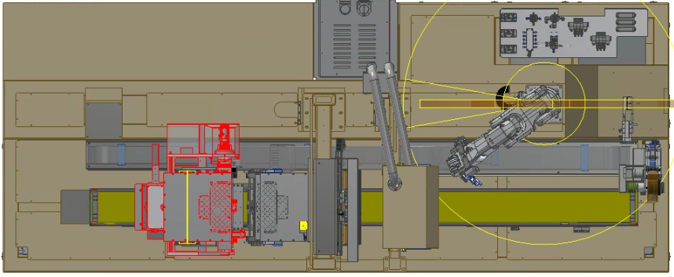

PS11
LD01
ST01
PT01
PS12
LS01
FT01

LR01

 |  |  |  |  |  |  |  |  |  |  |  |  |  |  |  | LR01
 |  |  |  |  |  |  |  |  |  |  |  |  |  |  |  | NO | PARTS NAME
 |  |  |  |  |  |  |  |  |  |  |  |  |  |  |  | 1 | ROBOT(ONE HAND)
3. Moving Path |  |  |  |  |  |  |  |  |  |  |  |  |  |  |  | 2 | UP/DOWN CYLINDER
자동운전時 Panel 및 Panel을 포함한 모든자재의 이동경로의 CASE를 나열한다.
CASE | 자재명 | PATH |  |  |  |  |  |  |  |  |  |  |  |  |  | ST01
1 | CELL | LR01 → ST01 → FT01 → PS11, PS12 |  |  |  |  |  |  |  |  |  |  |  |  |  | NO | PARTS NAME
2 | CELL |  |  |  |  |  |  |  |  |  |  |  |  |  |  | 1 | VISION CAMERA
3 | CELL |  |  |  |  |  |  |  |  |  |  |  |  |  |  | 2 | USC
4 | CELL |  |  |  |  |  |  |  |  |  |  |  |  |  |  | 3 | PLASMA
5 | FPC |  |  |  |  |  |  |  |  |  |  |  |  |  |  | 4 | LINEAR MOTOR(X-AXIS)
7 | TRAY
 |  |  |  |  |  |  |  |  |  |  |  |  |  |  |  | FT01
동일한 Unit의 경로가 나누어져 있는 경우는 ' , '를 사용하여 경우의 수를 표현 해도 무방하다. |  |  |  |  |  |  |  |  |  |  |  |  |  |  |  | NO | PARTS NAME
예시) 동일한 동작의 Unit이 나누어져 있을때 |  |  |  |  |  |  |  |  |  |  |  |  |  |  |  | 1 | UP/DOWN CYLINDER
TR01 → ST11,ST12,ST13 → TR02 → ST21,ST22 → TR03
ST11
ST21
 |  |  |  |  |  |  |  |  |  |  |  |  |  |  |  | PS11
TR01
ST12
TR02
TR03
 |  |  |  |  |  |  |  |  |  |  |  |  |  |  |  | NO | PARTS NAME
ST22
 |  |  |  |  |  |  |  |  |  |  |  |  |  |  |  | 1 | SERVO MOTOR
ST13
 |  |  |  |  |  |  |  |  |  |  |  |  |  |  |  | PS12
 |  |  |  |  |  |  |  |  |  |  |  |  |  |  |  | NO | PARTS NAME
4. Action Log Area |  |  |  |  |  |  |  |  |  |  |  |  |  |  |  | 1 | SERVO MOTOR

Initial : 설비전원 인가후 서버원점수행등의 초기준비 동작
Change : Recipe Change 또는 Tool Cleaning, Align등의 간헐적 Job준비동작
Cycle : 작업물(Glass) 로딩을 시작으로 하여 작업물 처리(기구물 이동&가공 및 화학처리 모든 작업포함), 작업물 언로딩준비완료, 작업물 언로딩 실행, 다음 작업물 로딩준비완료까지의 연속Cycle동작
Single : CYCLE동작 외 번외적으로 발생되는 단독적인 동작에 대해 기재
2. Sequence No는 반드시 아래 규칙에 맡게 작성한다.
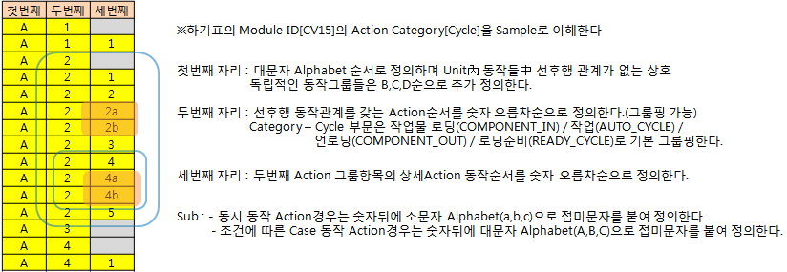

3. Action Category의 Initial부문의 Action Name은 접두문자 "INIT_"을 붙인다.
4. Action Category의 Change부문의 Action Name은 접두문자 "CHANGE_"을 붙인다.
5. Action Category의 Cycle부문의 기본 공통항목 Action Name을 반드시 기입한다. (1.COMPONENT_IN, 2.OUT_WAIT_TIME, 3.COMPONENT_OUT, 4.IN_WAIT_TIME) → 시점 정의 Sheet 참고
6. STEP Time에는 측정된 해당STEP 동작 소요시간(Min/Max)를 기입한다. (소수점 한자리)
7. COMPONENT_IN 에 묶인 동작은 접두문자 "GET_" , COMPONENT_OUT 에 묶인 동작은 접두문자 "PUT_" 을 붙인다.
8. Robot 구성이 Double ARM 이상인 경우 접두문자 "{UPP_ , LOW_}"를 붙여 작성한다. (예: UPP_GET_STRETCH)
주의, 로그파일에는 ActionName에는 UPP_GET_STRETCH, LOW_GET_STRETCH로 각각 기록된다.
9. 다관절 ROBOT / TRANSPER UNIT에서 제품 Load/Unload시 UP/DOWN 동작은 구분 해서 작성한다 (Move 동작과 구분)
예시)
1) 이동 물류 동작과 연속 동작일 경우 (바로 이동 동작 하지 않고, 대기 위치에 있다가 신호를 받고 연속 동작일 경우)
COMPONENT_IN
COMPONENT_IN

GET_MOVE_LD_POS
NG
GET_MOVE_LD_POS
GET_MOVE_LD_POS
GET_CYL_DOWN
OK
GET_VAC_ON
PANEL
GET_MOVE_LD_POS
NG, GET_CYL_UP, DOWN 누락
GET_VAC_ON
GET_CYL_DOWN
GET_CYL_DOWN

GET_VAC_ON
GET_VAC_ON
GET_CYL_UP
GET_CYL_UP
GET_CYL_UP

< 2 Step > |  | < 4 Step >
COMPONENT_OUT
COMPONENT_OUT
PANEL
PUT_MOVE_ULD_POS
NG, PUT_CYL_DOWN, UP 누락
PUT_VAC_OFF
PUT_MOVE_ULD_POS
NG
PUT_MOVE_ULD_POS
PUT_MOVE_ULD_POS
PUT_CYL_DOWN
OK
PUT_VAC_OFF
PUT_CYL_DOWN
PUT_CYL_DOWN

PUT_VAC_OFF
PUT_VAC_OFF
PUT_CYL_UP
PUT_CYL_UP
PUT_CYL_UP

< 2 Step > |  | < 4 Step >

2) "ONE Commend" 동시 동작 (이동 동작(X,Y)과 Z 축 동작이 동시 진행의 경우)
COMPONENT_IN
GET_MOVE_LD_DOWN_POS
OK
GET_VAC_ON
COMPONENT_OUT
PUT_MOVE_ULD_DOWN_POS
OK
PUT_VAC_ON
GET_MOVE_LD_DOWN_POS
PUT_MOVE_ULD_DOWN_POS
GET_CYL_UP_POS
PUT_MOVE_UP_POS
GET_VAC_ON
PUT_VAC_ON
GET_MOVE_UP_POS
PUT_MOVE_UP_POS

10. 동작축 구분 가능한 UNIT은 축별 동작을 세부적으로 나눈다 (X,Y,Z 등 )

CYL_CENTERING_FWD
CYL_X1_CENTERING_FWD
CYL_X2_CENTERING_FWD
CYL_Y1_CENTERING_FWD
MOVE_WAIT_POS
MOVE_X_WAIT_POS
MOVE_Y_WAIT_POS
MOVE_T_WAIT_POS
예시)

11. ROBOT 이동시 물류에 따라 대기 위치를 경유 할 때 와 경유 하지 않을 때가 나누어져 있으면 구분 하여 작성 한다. (방향성 표시)
동일 위치로 이동하는 동작이라도 Start 위치가 다르면 구분하여 작성

예시)
LOAD POS
WAIT POS
WAIT POS
UNLOAD POS
MOVE_LD_TO_ WAIT_POS
MOVE_WAIT_TO_ULD_POS
MOVE_ULD_TO_WAIT_POS
MOVE_WAIT_TO_LD_POS
MOVE_ULD_POS
MOVE_LD_POS

 |  |  |  |  | MOVE_ULD_POS | 대기 위치 미경유
 |  |  |  |  | MOVE_LD_TO_WAIT_POS | 대기위치 경유
 |  |  |  |  | MOVE_WAIT_TO_ULD_POS | 대기위치 경유
 |  |  |  |  | MOVE_LD_POS | 대기 위치 미경유
 |  |  |  |  | MOVE_ULD_TO_WAIT_POS | 대기위치 경유
 |  |  |  |  | MOVE_WAIT_TO_LD_POS | 대기위치 경유

12. 2개 이상 Unit에서 TR의 물류 동작시에는 Load/Unload에 대한 방향성을 구분해서 작성 한다. (TR 기준으로 UNIT간 이동으로 생각하면 이해하기 쉬움)

ULD_POS
예시)
LD_POS
LD_POS
ST11
ST12
ST13
TR01
ST21
LD_POS
ULD_POS
LD_POS
ST31
ST31
TR02
ST21
ST32
ST32
ST33
ST33
 |  |  |  | MOVE_ST11_LD_TO_ULD_POS |  |  | MOVE_LD_TO_ST31_ULD_POS
 |  |  |  | MOVE_ST12_LD_TO_ULD_POS |  |  | MOVE_LD_TO_ST32_ULD_POS
 |  |  |  | MOVE_ST13_LD_TO_ULD_POS |  |  | MOVE_LD_TO_ST33_ULD_POS

예시)

ST11
ST12
ST13
TR01
ST21
ST22
ST23
 |  |  |  | MOVE_ST11_LD_TO_ST21_ULD_POS
 |  |  |  | MOVE_ST11_LD_TO_ST22_ULD_POS
 |  |  |  | MOVE_ST11_LD_TO_ST23_ULD_POS

13. Module ID , Action Name , From, To 조합 시 Name이 중복 되면 안된다.
14. Component IN/OUT 표기 시 Panel을 제외한 모든 자재는 후미에 자재명을 표기 한다. ex) COMPONENT_IN_TRAY / COMPONENT_OUT_FPCB 등
15. CENTERING 과 ALIGN 구분하여 작성 한다 (구분 기준 : CENTERING은 기구적인 정렬 / ALIGN 은 비전 동작)
16. TRY 발생은 CYCLE 동작에 작성 한다(BCR, MCR, VISION, INSPECTION 등)
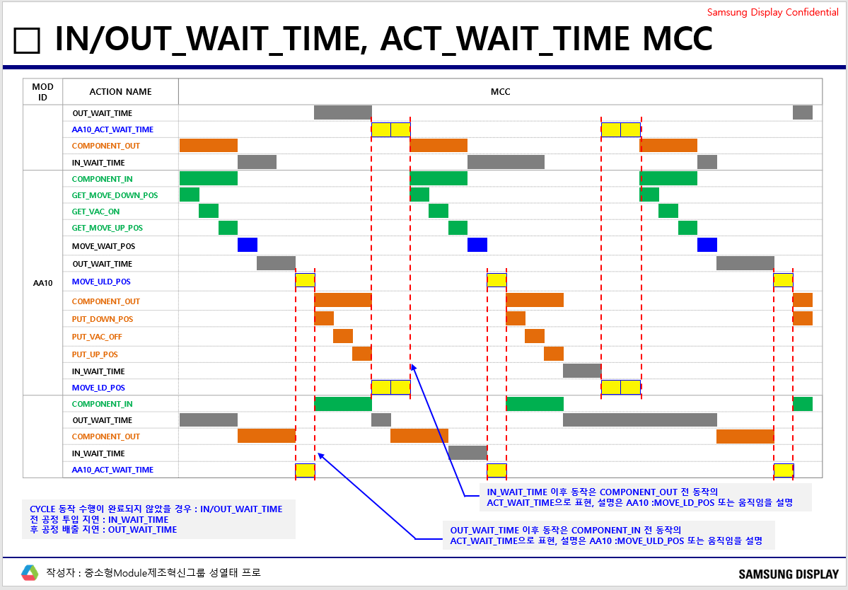
참조
17. UNIT 간 동작 대기 시간 추가 한다 (IN/OUT_WAIT_TIME) ※ Loader , Unloader UNIT의 Lot 단위 물류와 Buffer 역할의 UNIT같이 WAIT_TIME이 길게 발생하는 경우 → 미반영 (Tray Lot 물류, Buffer 구간)
: 앞/뒤 Unit간 Process 진행에 따른 대기 시간은 IN/OUT_WAIT_TIME으로 정의 하고, 일반적으로 Component In/Out 전/후에 위치 한다.
: 자재 물류의 자재 교체, 투입(공급)대기 시간은 IN_WAIT_TIME으로 반영한다
OUT_WAIT_TIME
IN_WAIT_TIME

18. 설비 동작에 따른 INTERLOCK 개념으로 설비 간섭, 또는 충돌 방지를 위해서, 동작 대기 TIME을 추가한다.
: 예를 들어, Robot Unit이 반전(Reverse) Stage에 Cell을 전달 시 반드시 정위치에서 Cell을 전달 해야하기 때문에, Robot이 Cell을 들고 대기 하고 있더라도, Stage가 정위치가
될때까지, Robot은 대기하고 있는다. 이 대기 상태를 ACT_WAIT_TIME으로 추가한다.
ACT_WAIT_TIME의 위치는 UNIT 동작에 따라, 여러 개가 나올 수 있다.
※ IN/OUT WAIT_TIME과 ACT_WAIT_TIME에 대한 구분은 명확하게 되어야 한다.

19. CV 물류 COMPONENT_IN/OUT
. 센서 감지 CV : 정지_POS 기준으로 COMPONENT_IN/OUT 반영
. 센서 없는 CV : 상류/하류 UNIT COMPONENT_OUT/IN 기준으로 COMPONENT_IN/OUT 적용,

20. LMS 물류 MCC 기준
. CARRIER 물류는 COMPONENT_IN/OUT_CARRIER로 표현
. Log에 CARRIER ID와 CELL ID를 각각 기록 할 것 (Lot ID 항목에 CARRIER ID 입력)
. CARRIER가 정지 할 수 있는 모든 구간을 MOD ID로 구성하고 단순 물류 이동은 통합으로 구성
. COMPONENT_IN/OUT은 UNIT을 건너뛰지 말고 순차적으로 IN - OUT -IN -OUT 연결하여 표현

21. CATEGORY SINGLE
. "MOD ID"_ALARM : 설비 알람 발생 시 MCC 표현
. "MOD ID"_ALARM_STOP : 설비 매뉴얼 상태 MCC 표현

Module ID | Action Category | Sequence No | System No. | Log Type ( A ) | Action Name | Description | From Position List (ModuleID#SlotNo) | To Position List (ModuleID#SlotNo) | Expression |  | STEP Time(Sec) |  | 로깅 제외대상 | 검증 제외대상 | 비고
 |  |  |  |  |  |  |  |  |  |  | Min(00.0) | Max(00.0)
MAIN | Change | A.1 | 1A01 |  | CHANGE_RECIPE | 레시피 변경관련 작업 수행 | MAIN | MAIN | START | END | Min Time | Max Time
 |  | B.1 |  | A | CHANGE_MODEL_SAME_START | 동종 모델변경관련 시작 작업 수행 | MAIN | MAIN | START | END
 |  | B.2 |  | A | CHANGE_MODEL_SAME_END | 동종 모델변경관련 완료 작업 수행 | MAIN | MAIN | START | END
 |  | C.1 |  | A | CHANGE_MODEL_DIFF_START | 이종 모델변경관련 시작 작업 수행 | MAIN | MAIN | START | END
 |  | C.2.2 |  | A | CHANGE_MODEL_DIFF_END | 이종 모델변경관련 완료 작업 수행 | MAIN | MAIN | START | END

LR01 (다관절 투입 로봇) | Initial | A.1 | 1A02 | A | INIT_LR10_ROBOT_ORIGIN | 로봇 원점동작 수행 | LR01 | LR01 | START | END
 |  |  | 1A07
 | Change | A.1 | 1A08 | A | CHANGE_PARAMETER | 파라미터 셋팅 변경관련 작업 수행 | LR01 | LR01 | START | END
 |  | A.1.1
 |  | A.1.2

 | Cycle | A.1 | 1A10 | A | COMPONENT_IN | PANEL LOAD | LD01 | LR01 | START | END
 |  | A.1.1 | 1A11 | A | GET_CYL_DOWN | PICKER CYLINDER DOWN | LD01 | LR01 | START | END
 |  | A.1.2 | 1A12 | A | GET_VAC_ON | VACUUM ON | LD01 | LR01 | START | END
 |  | A.1.3 | 1A13 | A | GET_CYL_UP | PICKER CYLINDER UP | LD01 | LR01 | START | END
 |  | B.1 | 1A14 | A | COMPONENT_IN | PANEL LOAD | LS01 | LR01 | START | END
 |  | B.1.1 | 1A15 | A | GET_CYL_DOWN | 피커 다운 | LS01 | LR01 | START | END
 |  | B.1.2 | 1A16 | A | GET_VAC_ON | 진공 ON | LS01 | LR01 | START | END
 |  | B.1.3 | 1A17 | A | GET_CYL_UP | 피커 UP | LS01 | LR01 | START | END
 |  | A.2 | 1A18 | A | MOVE_LD01_TO_MCR_POS | LD01 -> MCR 위치이동 | LR01 | LR01 | START | END
 |  | A.3 | 1A19 | A | MOVE_LS01_TO_MCR_POS | LS01 -> MCR 위치이동 | LR01 | LR01 | START | END
 |  | A.4 | 1A20 | A | MCR_PROCESS | MCR 촬상 | LR01 | LR01 | START | END
 |  | A.5 | 1A21 | A | MCR_TRY_COUNT | MCR 시도 횟수 | LR01 | LR01 | START | END
 |  | A.6 | 1A22 | A | MOVE_ULD_POS | UNLOAD위치이동 | LR01 | LR01 | START | END
 |  | A.7 | 1A23 | A | OUT_WAIT_TIME | OUT WAIT TIME | LR01 | LR01 | START | END
 |  | A.8 | 1A24 | A | COMPONENT_OUT | PANEL UNLOAD | LR01 | ST01 | START | END
 |  | A.8.1 | 1A25 | A | PUT_MOVE_ULD_POS | 제품 UNLOAD 위치 동작 | LR01 | ST01 | START | END
 |  | A.8.2 | 1A26 | A | PUT_CYL_DOWN | PICKER CYLINDER DOWN | LR01 | ST01 | START | END
 |  | A.8.3 | 1A27 | A | PUT_VAC_OFF | VACUUM OFF | LR01 | ST01 | START | END
 |  | A.8.4 | 1A28 | A | PUT_CYL_UP | PICKER CYLINDER UP | LR01 | ST01 | START | END
 |  | A.9 | 1A29 | A | MOVE_ULD_TO_LD01_POS | LOAD(LD01) 위치이동 | LR01 | LR01 | START | END
 |  | A.9.1 | 1A30 | A | MOVE_ULD_TO_LS01_POS | LOAD(LS01) 위치이동 | LR01 | LR01 | START | END
 |  | A.10 | 1A31 | A | IN_WAIT_TIME | IN WAIT TIME | LR01 | LR01 | START | END
 | Single | A.1 | 1A31
ST01 (STAGE TRANSFER) | Initial | A.1 | 1B01 | A | INIT_ST01 | INIT_PC11 원점,운전준비 | ST01 | ST01 | START | END
 | Change | A.1 | 1B02 | A | CHANGE_PARAMETER | 파라미터 셋팅 변경관련 작업 수행 | ST01 | ST01 | START | END
 | Cycle | A.1 | 1B10 | A | COMPONENT_IN | PANEL LOAD | LR01 | ST01 | START | END
 |  | A.1.1 | 1B11 | A | GET_VAC_ON | 진공 ON | LR01 | ST01 | START | END
 |  | A.2 | 1B12 | A | MOVE_X_VISION_1ST_POS | 1차 비전위치 이동 | ST01 | ST01 | START | END
 |  | A.3 | 1B13 | A | VISION_PROCESS_1ST | MARK 촬상 | ST01 | ST01 | START | END
 |  | A.3.1 | 1B14 | A | VISION_TRY_COUNT_1ST | TRY 횟수 | ST01 | ST01 | START | END
 |  | A.4 | 1B15 | A | MOVE_X_VISION_2ND_POS | 2차 비전위치 이동 | ST01 | ST01 | START | END
 |  | A.5 | 1B16 | A | VISION_PROCESS__2ND | MARK 촬상 | ST01 | ST01 | START | END
 |  | A.5.1 | 1B17 | A | VISION_TRY_COUNT_2ND | TRY 횟수 | ST01 | ST01 | START | END
 |  | A.6 | 1B18 | A | MOVE_X_USC_POS | USC 시작 위치이동 | ST01 | ST01 | START | END
 |  | A.7 | 1B19 | A | USC_PROCESS | USC | ST01 | ST01 | START | END
 |  | A.8 | 1B20 | A | MOVE_X_PLASMA_POS | PLASMA위치이동 | ST01 | ST01 | START | END
 |  | A.9 | 1B21 | A | PLASMA_PROCESS | PLASMA | ST01 | ST01 | START | END
 |  | A.10 | 1B22 | A | MOVE_X_ULD_POS | UNLOAD위치이동 | ST01 | ST01 | START | END
 |  | A.11 | 1B23 | A | OUT_WAIT_TIME | OUT WAIT TIME | ST01 | ST01 | START | END
 |  | A.12 | 1B24 | A | COMPONENT_OUT | PANEL UNLOAD | ST01 | FT01 | START | END
 |  | A.13 | 1B25 | A | PUT_VAC_OFF | 진공 OFF | ST01 | FT01 | START | END
 |  | A.14 | 1B26 | A | MOVE_X_LD_POS | LOAD POSITION 이동 | ST01 | ST01 | START | END
 |  | A.15 | 1B27 | A | IN_WAIT_TIME | IN WAIT TIME | ST01 | ST01 | START | END
 | Single | A.1

FT01 (FORK TYPE TRANSFER) | Initial | A.1 | C01 | A | INIT_FT01 | INIT_FT01 원점,운전준비 | FT01 | FT01 | START | END
 | Change | A.1 | C02 | A | CHANGE_PARAMETER | 파라미터 셋팅 변경관련 작업 수행 | FT01 | FT01 | START | END
 | Cycle | A.1 | 1C10 | A | COMPONENT_IN | PANEL LOAD | ST01 | FT01 | START | END
 |  | A.1.1 | 1C11 | A | GET_CYL_DOWN | PICKER CYLINDER DOWN | ST01 | FT01 | START | END
 |  | A.1.2 | 1C12 | A | GET_VAC_ON | VACUUM ON | ST01 | FT01 | START | END
 |  | A.1.3 | 1C13 | A | GET_CYL_UP | PICKER CYLINDER UP | ST01 | FT01 | START | END
 |  | A.3 | 1C14 | A | MOVE_LD_TO_WAIT_POS | LOAD->WAIT | FT01 | FT01 | START | END
 |  | A.4 | 1C15 | A | OUT_WAIT_TIME | WAIT->PS11 UNLOAD POS | FT01 | FT01 | START | END
 |  | A.5 | 1C16 | A | MOVE_X_WAIT_TO_PS11_ULD_POS | LOAD->PS11 UNLOAD POS | FT01 | FT01 | START | END
 |  | A.6 | 1C17 | A | MOVE_X_LD_TO_PS11_ULD_POS | WAIT->PS12 UNLOAD POS | FT01 | FT01 | START | END
 |  | A.7 | 1C18 | A | MOVE_X_WAIT_TO_PS12_ULD_POS | LOAD->PS12 UNLOAD POS | FT01 | FT01 | START | END
 |  | A.8 | 1C19 | A | MOVE_X_LD_TO_PS12_ULD_POS | OUT WAIT TIME | FT01 | FT01 | START | END
 |  | A.9 | 1C20 | A | COMPONENT_OUT | PANEL UNLOAD | FT01 | PS11 | START | END
 |  | A.9.1 | 1C21 | A | PUT_CYL_DOWN | PICKER CYLINDER DOWN | FT01 | PS11 | START | END
 |  | A.9.2 | 1C22 | A | PUT_VAC_OFF | VACUUM OFF | FT01 | PS11 | START | END
 |  | A.9.3 | 1C23 | A | PUT_CYL_UP | PICKER CYLINDER UP | FT01 | PS11 | START | END
 |  | B.9 | 1C24 | A | COMPONENT_OUT | PANEL UNLOAD | FT01 | PS12 | START | END
 |  | B.9.1 | 1C25 | A | PUT_CYL_DOWN | PICKER CYLINDER DOWN | FT01 | PS12 | START | END
 |  | B.9.2 | 1C26 | A | PUT_VAC_OFF | VACUUM OFF | FT01 | PS12 | START | END
 |  | B.9.3 | 1C27 | A | PUT_CYL_UP | PICKER CYLINDER UP | FT01 | PS12 | START | END
 |  | A.10 | 1C28 | A | MOVE_X_PS11_TO_LD_POS | AS11 UNLOAD ->LOAD | FT01 | FT01 | START | END
 |  | B.10 | 1C29 | A | MOVE_X_PS12_TO_LD_POS | AS12 UNLOAD ->LOAD | FT01 | FT01 | START | END
 |  | A.11 | 1C30 | A | IN_WAIT_TIME | IN WAIT TIME | FT01 | FT01 | START | END
 | Single | A.1 | 1C31 | A
PS11 (PROCESS STAGE) | Initial | A.1 | 1D01 | A | INIT_PS10 | INIT_PS11 원점,운전준비 | PS10 | PS10 | START | END
 | Change | A.1 | 1D02 | A | CHANGE_PARAMETER | 파라미터 셋팅 변경관련 작업 수행 | PS10 | PS10 | START | END
 | Cycle | A.1 | 1D10 | A | COMPONENT_IN | PANEL LOAD | FT01 | PS10 | START | END
 |  | A.1.1 | 1D11 | A | GET_VAC_ON | 진공 ON | FT01 | PS10 | START | END
 |  | A.2 | 1D12 | A | MOVE_X_ALIGN_R_POS | ALIGN 위치이동 RIGHT | PS10 | PS10 | START | END
 |  | A.3 | 1D13 | A | VISION_X_MARK_R_PROCESS | MARK 촬상 RIGHT | PS10 | PS10 | START | END
 |  | A.3.1 | 1D14 | A | VISION_TRY_COUNT_R | TRY 횟수 | PS10 | PS10 | START | END
 |  | A.4 | 1D15 | A | MOVE_X_ALIGN_L_POS | ALIGN 위치이동 LEFT | PS10 | PS10 | START | END
 |  | A.5 | 1D16 | A | VISION_X_MARK_L_PROCESS | MARK 촬상 LEFT | PS10 | PS10 | START | END
 |  | A.5.1 | 1D17 | A | VISION_TRY_COUNT_L | TRY 횟수 | PS10 | PS10 | START | END
 |  | A.6 | 1D18 | A | MOVE_X_BOND_POS | BOND위치이동 | PS10 | PS10 | START | END
 |  | A.7 | 1D19 | A | BOND_PROCESS | BONDING | PS10 | PS10 | START | END
 |  | A.8 | 1D20 | A | MOVE_X_BLOB_R_POS | BLOB 위치이동 RIGHT | PS10 | PS10 | START | END
 |  | A.9 | 1D21 | A | BLOB_SEARCH_R_PROCESS | BLOB RIGHT | PS10 | PS10 | START | END
 |  | A.9.1 | 1D22 | A | VISION_TRY_COUNT_BLOB_R | TRY 횟수 | PS10 | PS10 | START | END
 |  | A.10 | 1D23 | A | MOVE_X_BLOB_L_POS | BLOB 위치이동 LEFT | PS10 | PS10 | START | END
 |  | A.11 | 1D24 | A | BLOB_SEARCH_L_PROCESS | BLOB LEFT | PS10 | PS10 | START | END
 |  | A.11.1 | 1D25 | A | VISION_TRY_COUNT_BLOB_L | TRY 횟수 | PS10 | PS10 | START | END
 |  | A.12 | 1D26 | A | MOVE_X_ULD_POS | UNLOAD위치이동 | PS10 | PS10 | START | END
 |  | A.13 | 1D27 | A | OUT_WAIT_TIME | OUT WAIT TIME | PS10 | PS10 | START | END
 |  | A.14 | 1D28 | A | COMPONENT_OUT | PANEL UNLOAD | PS10 | PT01 | START | END
 |  | A.14.1 | 1D29 | A | PUT_VAC_OFF | 진공 OFF | PS10 | PT01 | START | END
 |  | A.15 | 1D30 | A | MOVE_X_LD_POS | UNLOAD->LOAD | PS10 | PS10 | START | END
 |  | A.16 | 1D31 | A | IN_WAIT_TIME | IN WAIT TIME | PS10 | PS10 | START | END
 | Single

PS12 (PROCESS STAGE) | Initial | A.1 | 1E01 | A | INIT_PS20 | INIT_PS11 원점,운전준비 | PS20 | PS20 | START | END
 | Change | A.1 | 1E02 | A | CHANGE_PARAMETER | 파라미터 셋팅 변경관련 작업 수행 | PS20 | PS20 | START | END
 | Cycle | A.1 | 1E10 | A | COMPONENT_IN | PANEL LOAD | FT01 | PS20 | START | END
 |  | A.1.1 | 1E11 | A | GET_VAC_ON | 진공 ON | FT01 | PS20 | START | END
 |  | A.2 | 1E12 | A | MOVE_X_ALIGN_R_POS | ALIGN 위치이동 RIGHT | PS20 | PS20 | START | END
 |  | A.3 | 1E13 | A | VISION_X_MARK_R_PROCESS | MARK 촬상 RIGHT | PS20 | PS20 | START | END
 |  | A.3.1 | 1E14 | A | VISION_TRY_COUNT_R | TRY 횟수 | PS20 | PS20 | START | END
 |  | A.4 | 1E15 | A | MOVE_X_ALIGN_L_POS | ALIGN 위치이동 LEFT | PS20 | PS20 | START | END
 |  | A.5 | 1E16 | A | VISION_X_MARK_L_PROCESS | MARK 촬상 LEFT | PS20 | PS20 | START | END
 |  | A.5.1 | 1E17 | A | VISION_TRY_COUNT_L | TRY 횟수 | PS20 | PS20 | START | END
 |  | A.6 | 1E18 | A | MOVE_X_BOND_POS | BOND위치이동 | PS20 | PS20 | START | END
 |  | A.7 | 1E19 | A | BOND_PROCESS | BONDING | PS20 | PS20 | START | END
 |  | A.8 | 1E20 | A | MOVE_X_BLOB_R_POS | BLOB 위치이동 RIGHT | PS20 | PS20 | START | END
 |  | A.9 | 1E21 | A | BLOB_SEARCH_R_PROCESS | BLOB RIGHT | PS20 | PS20 | START | END
 |  | A.9.1 | 1E22 | A | VISION_TRY_COUNT_BLOB_R | TRY 횟수 | PS20 | PS20 | START | END
 |  | A.10 | 1E23 | A | MOVE_X_BLOB_L_POS | BLOB 위치이동 LEFT | PS20 | PS20 | START | END
 |  | A.11 | 1E24 | A | BLOB_SEARCH_L_PROCESS | BLOB LEFT | PS20 | PS20 | START | END
 |  | A.11.1 | 1E25 | A | VISION_TRY_COUNT_BLOB_L | TRY 횟수 | PS20 | PS20 | START | END
 |  | A.12 | 1E26 | A | MOVE_X_ULD_POS | UNLOAD위치이동 | PS20 | PS20 | START | END
 |  | A.13 | 1E27 | A | OUT_WAIT_TIME | OUT WAIT TIME | PS20 | PS20 | START | END
 |  | A.14 | 1E28 | A | COMPONENT_OUT | PANEL UNLOAD | PS20 | PT01 | START | END
 |  | A.14.1 | 1E29 | A | PUT_VAC_OFF | 진공 OFF | PS20 | PT01 | START | END
 |  | A.15 | 1E30 | A | MOVE_X_LD_POS | UNLOAD->LOAD | PS20 | PS20 | START | END
 |  | A.16 | 1E31 | A | IN_WAIT_TIME | IN WAIT TIME | PS20 | PS20 | START | END
 | Single

 | Single

동작 시점 정의 (참조 양식)
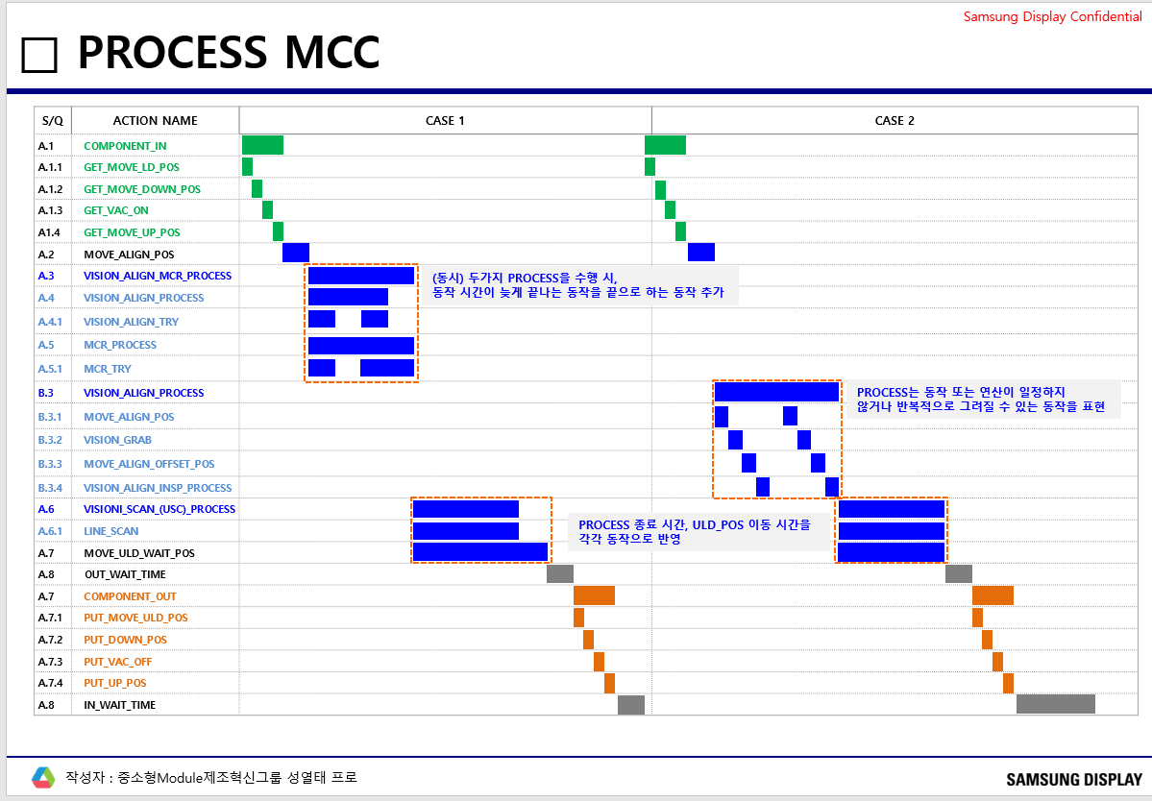
대외비 2023-05-17 중소형 모듈 제조혁신 성열태
 |  |  |  |  |  |  |  |  |  |  |  |  |  | Samsung Display Confidential
 | ◆ 각 Step 정의

 | COMPONENT IN |  |  | 자재가 상류 Unit에서 해당 Unit으로 Load 되는 상태
 | OUT_WAIT_TIME |  |  | 투입 Unit 동작 완료후 배출 Unit 투입전까지 대기시간
 | COMPONENT OUT |  |  | 자재가 해당 Unit에서 하류 Unit으로 Unload 되는 상태
 | IN_WAIT_TIME |  |  | 배출 Unit 동작 완료후 투입 Unit 투입전까지 대기시간

 | ◆ COMPONENT_IN, COMPONENT_OUT 시점 정의

 | 1. 일반적 TRANSFER (UP/DOWN 구분 동작 CASE)
 | COMPONENT IN
 | TRANSFER COMPONENT_IN START 시점 = TRANSFER CELL 받는 DOWN START 시점 (STAGE Z축 이동 시 Z축 UP START 시점) |  |  |  |  |  |  |  |  |  |  |  | TRANSFER COMPONENT_IN END 시점 = TRANSFER CELL 받는 UP START 시점 (STAGE Z축 이동 시 Z축 DOWN START 시점)

MCC CHART 예시

PUT_CYL_DOWN START
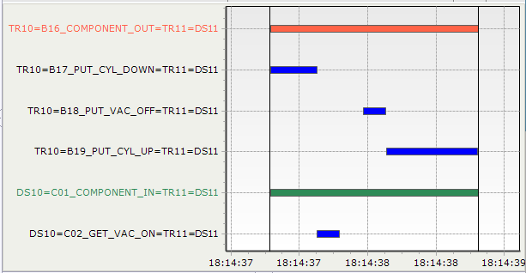
TRANSFER COMPONENT_OUT END
PUT_CYL_UP END
TRANSFER
CELL STAGE
CELL
TRANSFER COMPONENT_OUT START
TRANSFER
CELL STAGE
CELL

STAGE COMPONENT_IN END

STAGE COMPONENT_IN START

 | STAGE COMPONENT_OUT START 시점 = TRANSFER CELL 받는 DOWN START 시점과 동일 |  |  |  |  |  |  |  |  |  |  |  | STAGE COMPONENT_OUT END 시점 = TRANSFER CELL 받는 UP START 시점과 동일

 | COMPONENT OUT
 | TRANSFER COMPONENT_OUT START 시점 = TRANSFER CELL 주는 DOWN START 시점 (STAGE Z축 이동 시 Z축 UP START 시점) |  |  |  |  |  |  |  |  |  |  |  | TRANSFER COMPONENT_OUT END 시점 = TRANSFER CELL 주는 UP START 시점 (STAGE Z축 이동 시 Z축 DOWN START 시점)

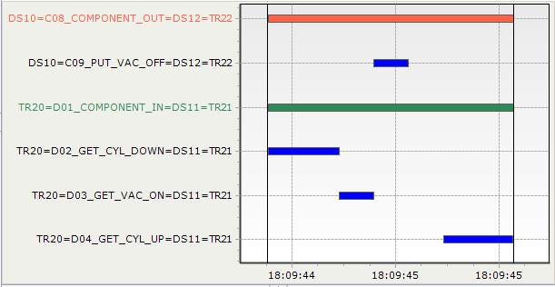
TRANSFER COMPONENT_IN END
STAGE COMPONENT_OUT START
TRANSFER
CELL STAGE
CELL
TRANSFER
CELL STAGE
CELL
GET_CYL_DOWN START
TRANSFER COMPONENT_IN START
STAGE COMPONENT_OUT END

GET_CYL_UP END

 | STAGE COMPONENT_IN START 시점 = TRANSFER CELL 주는 DOWN START 시점과 동일 |  |  |  |  |  |  |  |  |  |  |  | STAGE COMPONENT_IN END 시점 = TRANSFER CELL 받는 UP START 시점과 동일

 |  | UNIT | NAME |  | … | FROM | TO
 |  | PS01 | COMPONENT OUT |  | … | PS01 | TR01
 |  |  | PUT_VAC_OFF |  | … | PS01 | TR01
PS01 COMPONENT_OUT과 TR01 COMPONENT_IN동작의 FROM/TO UNIT은 동일 함
 |  | TR01 | COMPONENT_IN |  | … | PS01 | TR01
 |  |  | GET_CYL_DOWN |  | … | PS01 | TR01
 |  |  | GET_VAC_ON |  | … | PS01 | TR01
 |  |  | GET_CYL_UP |  | … | PS01 | TR01
 |  |  | MOVE_Y_ULD_POS |  |  | TR01 | TR01
 |  |  | COMPONENT_OUT |  | … | TR01 | PS02
 |  |  | PUT_CYL_DOWN |  | … | TR01 | PS02
TR01 COMPONENT_OUT과 PS01 COMPONENT_IN동작의 FROM/TO UNIT은 동일 함
 |  |  | PUT_VAC_OFF |  | … | TR01 | PS02
 |  |  | PUT_CYL_UP |  | … | TR01 | PS02
 |  |  | MOVE_Y_LD_POS |  |  | TR01 | TR01
 |  | PS02 | COMPONENT IN |  | … | TR01 | PS02
 |  |  | GET_VAC_ON |  | … | TR01 | PS02

 | ◆ INITIAL STEP 시점 정의

MCC CHART 예시
 |  | UNIT INITIAL START 시점 = 설비 작화 "READY" START 시점
 |  | UNIT INITIAL END 시점 = 설비 작화 "READY" END(완료) 시점
 |  | ※ 전체 초기화 시 각 UNIT별 READY 신호 사용하여 표시

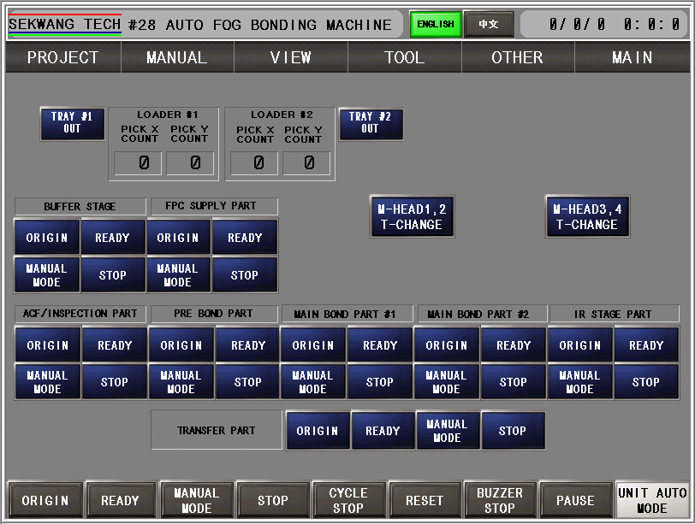

 | ◆ VISION STEP 정의
 |  | VISION을 활용한 (VISION + 프로그램) 작업에 적용
 |  | VISION_ALIGN, VISION_INSPECT 등) START 시점 = VISION_GRAB, VISION_SCAN, MARK_SERCH 시작 시점
 |  | VISION_ALIGN, VISION_INSPECT 등) END 시점 = VISION_GRAB, VISION_SCAN, MARK_SERCH, 보정 완료 시점
 |  | (목적을 가진 특수 검사의 경우 GRAB과 INPECT을 구분 = 계측기를 통한 연산, VISION을 통한 양/불판정 연산 등)
 |  | 여러 항목을 검사하는 경우 검사항목 구분 (TRAY CELL 적재 유/무 검사, TRAY CELL 올라탐 검사 각각 구분)

 | ◆ VISION/MCR/BCR TRY COUNT STEP 정의
 |  | 리딩, 연산, 동작 등 최초 1회 실패 후 2회, 3회 …. N회 시도 표현
 |  | 예시) 시도 횟수를 신호로 표시
MCC CHART 예시

 |  |  |  |  |  |  |  | 1회 시도 |  | 2회 시도 |  | 3회 시도
 |  | A=ST10_ST11=VISION_ALIGN_PROCESS=ST10_ST10
 |  | A=ST10_ST11=VISION_ALIGN_TRY=ST10_ST10

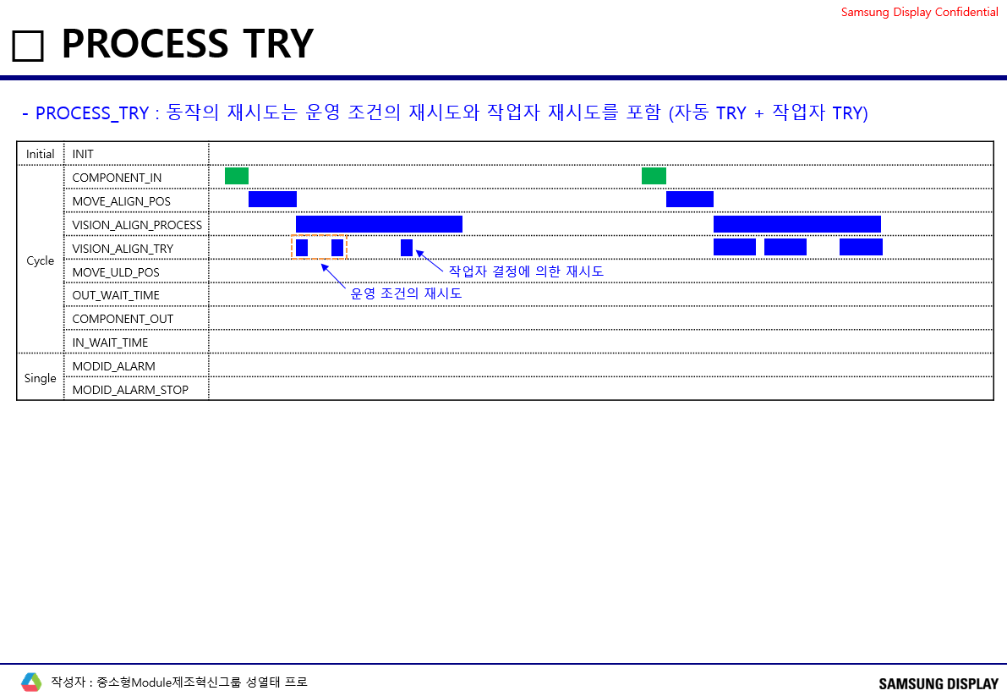

◆ TRANSFER (1 COMMEND 동시 동작 CASE)
COMPONENT IN

1) 이동 물류 동작과 연속 동작일 경우 (바로 이동 동작 하지 않고, 대기 위치에 있다가 신호를 받고 연속 동작일 경우)

COMPONENT_IN |  |  |  |  |  |  |  |  | COMPONENT_OUT
GET_MOVE_LD_POS |  |  |  |  |  |  |  |  | PUT_MOVE_ULD_POS
GET_CYL_DOWN |  |  |  |  |  |  |  |  | PUT_CYL_DOWN
GET_VAC_ON |  |  |  |  |  |  |  |  | PUT_VAC_OFF
GET_CYL_UP |  |  |  |  |  |  |  |  | PUT_CYL_UP

COMPONENT_OUT |  |  |  |  |  |  |  |  | COMPONENT_IN
PUT_VAC_OFF |  |  |  |  |  |  |  |  | GET_VAC_ON

2) 1 Commend 동시 동작 (이동 동작(X,Y)과 Z 축 동작이 동시 진행의 경우)

COMPONENT_IN |  |  |  |  |  |  |  |  | COMPONENT_OUT
GET_MOVE_LD_DOWN_POS |  |  |  |  |  |  |  |  | PUT_MOVE_ULD_DOWN_POS
GET_VAC_ON |  |  |  |  |  |  |  |  | PUT_VAC_OFF
GET_MOVE_UP_POS |  |  |  |  |  |  |  |  | PUT_MOVE_UP_POS

COMPONENT_OUT |  |  |  |  |  |  |  |  | COMPONENT_IN
PUT_VAC_OFF |  |  |  |  |  |  |  |  | GET_VAC_ON

◆ VISION STEP 동작 유형

1) 각 SETP 구분되어있는 경우

VISION_PROCESS
VISION_GRAB
VISION_ALGORITHM
VISION_RESULT

2) 촬상과 연산 동시에 진행되는 경우

VISION_PROCESS
VISION_SCAN
VISION_ALGORITHM
VISION_RESULT

3) 촬상, 연산, 판정 구분이 어려운 경우 (빠른연산,판정)

VISION_PROCESS
VISION_INSP (생략)

4) 촬상 - 이동, LINE SCAN 방식, CELL_ALIGN

VISION_ALIGN_PROCESS |  |  |  |  |  |  |  |  |  |  | VISION_ALIGN_PROCESS
...
MOVE_ALIGN_OFFSET_Y_POS |  |  |  |  |  |  |  |  |  |  | MOVE_ALIGN_OFFSET_Y_POS
MOVE_ALIGN_OFFSET_T_POS |  |  |  |  |  |  |  |  |  |  | MOVE_ALIGN_OFFSET_T_POS
VISION_INSP_PROCESS |  |  |  |  |  |  |  |  |  |  | VISION_INSP_PROCESS
VISION_GRAB(INSP) |  |  |  |  |  |  |  |  |  |  | VISION_SCAN(INSP)
MOVE_A_POS |  |  |  |  |  |  |  |  |  |  | STAGE_MOVE_INSP_END_POS
MOVE_B_POS
MOVE_C_POS

5) 검사 UNIT에서 결과 확인 없이 COPONENT_OUT하여 하류 물류에서 양/불 확인 후 적재 하는 경우 : 판정 결과 대기 동작 반영
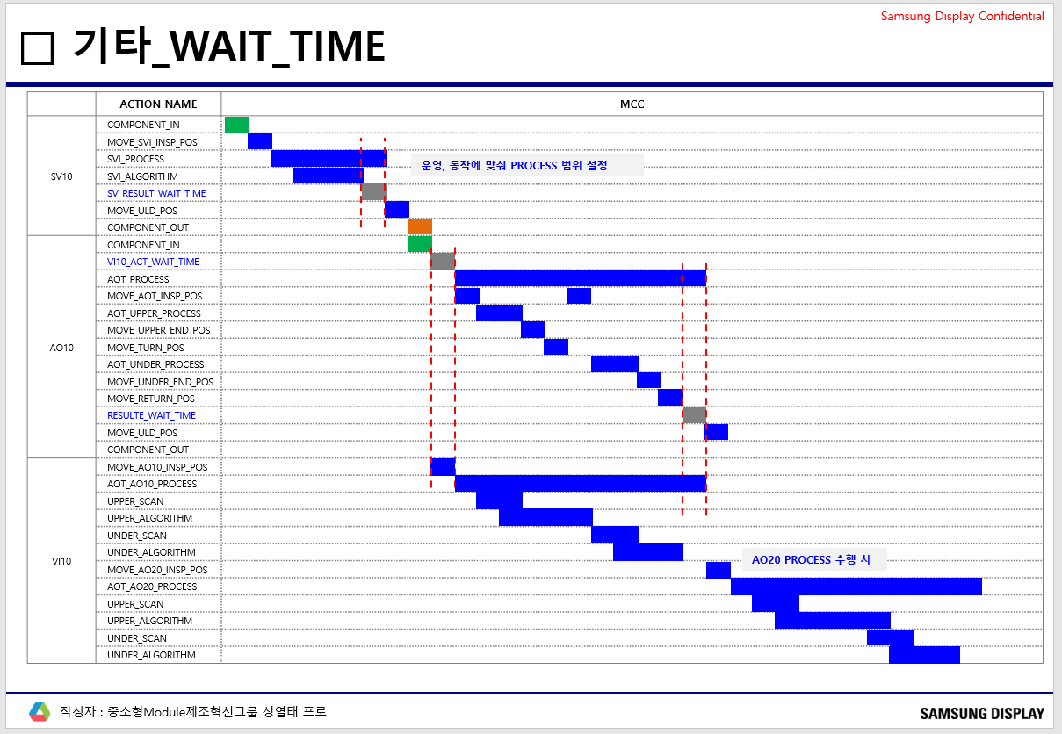

6) (VISION) PROCESS 예시

